Step 1.2
IC vs. VCC of a Crrent Sink
VCC | IC | VE | Ro
Volts | Amps | Volts | Ohm
-3.9 | 1.08E-04 | -3.983431 | 7.60E+03
-3.6 | 1.48E-04 | -3.728972 | 9.64E+03
-3.3 | 1.79E-04 | -3.529274 | 5.02E+04
-3 | 1.85E-04 | -3.490808 | 7.19E+06
-2.7 | 1.85E-04 | -3.490557 | 7.50E+07
-2.4 | 1.85E-04 | -3.490513 | 7.50E+07
-2.1 | 1.85E-04 | -3.490485 | 7.69E+07
-1.8 | 1.85E-04 | -3.490457 | 7.50E+07
-1.5 | 1.85E-04 | -3.490429 | 7.69E+07
-1.2 | 1.85E-04 | -3.490402 | 7.69E+07
-0.9 | 1.85E-04 | -3.490374 | 7.69E+07
-0.6 | 1.85E-04 | -3.490346

 |  | -0.3816
 |  | -0.3284
 |  | -0.2752
 |  | -0.228
 |  | -0.1842
 |  | -0.146
 |  | -0.1122
 |  | -0.08
 |  | -0.0552
 |  | -0.0312
 |  | -0.0148
 |  | -0.004

Step 1.6
Vo vs. Vsig Characteristics of a CE Amplifier
V-sweep | v(vo) | i(cp_q2.1)
Volts | Volts | Amps
4.39 | 4.940292 | -0.0001849456
4.3901 | 4.939878 | -0.0001849456
4.3902 | 4.939457 | -0.0001849456
4.3903 | 4.939034 | -0.0001849455
4.3904 | 4.938606 | -0.0001849455
4.3905 | 4.938174 | -0.0001849455
4.3906 | 4.937737 | -0.0001849455
4.3907 | 4.937296 | -0.0001849455
4.3908 | 4.93685 | -0.0001849455
4.3909 | 4.936399 | -0.0001849455
4.391 | 4.935942 | -0.0001849455
4.3911 | 4.935481 | -0.0001849455
4.3912 | 4.935014 | -0.0001849455
4.3913 | 4.934542 | -0.0001849455
4.3914 | 4.934064 | -0.0001849455
4.3915 | 4.933581 | -0.0001849455
4.3916 | 4.933092 | -0.0001849455
4.3917 | 4.932597 | -0.0001849455
4.3918 | 4.932096 | -0.0001849455
4.3919 | 4.931589 | -0.0001849455
4.392 | 4.931076 | -0.0001849454
4.3921 | 4.930556 | -0.0001849454
4.3922 | 4.930029 | -0.0001849454
4.3923 | 4.929496 | -0.0001849454
4.3924 | 4.928956 | -0.0001849454
4.3925 | 4.928409 | -0.0001849454
4.3926 | 4.927855 | -0.0001849454
4.3927 | 4.927293 | -0.0001849454
4.3928 | 4.926723 | -0.0001849454
4.3929 | 4.926146 | -0.0001849454
4.393 | 4.92556 | -0.0001849454
4.3931 | 4.924967 | -0.0001849454
4.3932 | 4.924365 | -0.0001849454
4.3933 | 4.923754 | -0.0001849453
4.3934 | 4.923134 | -0.0001849453
4.3935 | 4.922505 | -0.0001849453
4.3936 | 4.921866 | -0.0001849453
4.3937 | 4.921218 | -0.0001849453
4.3938 | 4.92056 | -0.0001849453
4.3939 | 4.919891 | -0.0001849453
4.394 | 4.919212 | -0.0001849453
4.3941 | 4.918521 | -0.0001849453
4.3942 | 4.91782 | -0.0001849453
4.3943 | 4.917107 | -0.0001849453
4.3944 | 4.916381 | -0.0001849453
4.3945 | 4.915644 | -0.0001849452
4.3946 | 4.914893 | -0.0001849452
4.3947 | 4.914129 | -0.0001849452
4.3948 | 4.913352 | -0.0001849452
4.3949 | 4.91256 | -0.0001849452
4.395 | 4.911753 | -0.0001849452
4.3951 | 4.910931 | -0.0001849452
4.3952 | 4.910093 | -0.0001849452
4.3953 | 4.909239 | -0.0001849452
4.3954 | 4.908368 | -0.0001849452
4.3955 | 4.907479 | -0.0001849451
4.3956 | 4.906572 | -0.0001849451
4.3957 | 4.905645 | -0.0001849451
4.3958 | 4.904699 | -0.0001849451
4.3959 | 4.903731 | -0.0001849451
4.396 | 4.902742 | -0.0001849451
4.3961 | 4.901731 | -0.0001849451
4.3962 | 4.900696 | -0.000184945
4.3963 | 4.899635 | -0.000184945
4.3964 | 4.89855 | -0.000184945
4.3965 | 4.897436 | -0.000184945
4.3966 | 4.896295 | -0.000184945
4.3967 | 4.895123 | -0.000184945
4.3968 | 4.893919 | -0.000184945
4.3969 | 4.892683 | -0.0001849449
4.397 | 4.891411 | -0.0001849449
4.3971 | 4.890103 | -0.0001849449
4.3972 | 4.888755 | -0.0001849449
4.3973 | 4.887366 | -0.0001849449
4.3974 | 4.885932 | -0.0001849449
4.3975 | 4.884452 | -0.0001849448
4.3976 | 4.882922 | -0.0001849448
4.3977 | 4.881338 | -0.0001849448
4.3978 | 4.879698 | -0.0001849448
4.3979 | 4.877996 | -0.0001849448
4.398 | 4.876228 | -0.0001849447
4.3981 | 4.87439 | -0.0001849447
4.3982 | 4.872475 | -0.0001849447
4.3983 | 4.870476 | -0.0001849447
4.3984 | 4.868387 | -0.0001849446
4.3985 | 4.866199 | -0.0001849446
4.3986 | 4.863902 | -0.0001849446
4.3987 | 4.861486 | -0.0001849445
4.3988 | 4.858937 | -0.0001849445
4.3989 | 4.856241 | -0.0001849445
4.399 | 4.853379 | -0.0001849444
4.3991 | 4.850331 | -0.0001849444
4.3992 | 4.847072 | -0.0001849444
4.3993 | 4.84357 | -0.0001849443
4.3994 | 4.839787 | -0.0001849442
4.3995 | 4.835676 | -0.0001849442
4.3996 | 4.831176 | -0.0001849441
4.3997 | 4.826205 | -0.0001849441
4.3998 | 4.820658 | -0.000184944
4.3999 | 4.814386 | -0.0001849439
4.4 | 4.807178 | -0.0001849438
4.4001 | 4.79871 | -0.0001849437
4.4002 | 4.788467 | -0.0001849436
4.4003 | 4.775539 | -0.0001849434
4.4004 | 4.758113 | -0.0001849432
4.4005 | 4.731782 | -0.0001849429
4.4006 | 4.675276 | -0.0001849421
4.4007 | 4.43808 | -0.000184939
4.4008 | 4.046266 | -0.0001849339
4.4009 | 3.652 | -0.0001849288
4.401 | 3.256648 | -0.0001849237
4.4011 | 2.860189 | -0.0001849185
4.4012 | 2.46261 | -0.0001849133
4.4013 | 2.06391 | -0.0001849081
4.4014 | 1.664093 | -0.0001849029
4.4015 | 1.263152 | -0.0001848977
4.4016 | 0.8610756 | -0.0001848924
4.4017 | 0.4578758 | -0.0001848872
4.4018 | 0.05354082 | -0.0001848819
4.4019 | -0.3519379 | -0.0001848766
4.402 | -0.7585458 | -0.0001848713
4.4021 | -1.16631 | -0.0001848659
4.4022 | -1.57521 | -0.0001848606
4.4023 | -1.985266 | -0.0001848552
4.4024 | -2.396469 | -0.0001848498
4.4025 | -2.808103 | -0.0001848435
4.4026 | -3.081838 | -0.0001846622
4.4027 | -3.147471 | -0.000184224
4.4028 | -3.180604 | -0.0001837449
4.4029 | -3.203413 | -0.000183254
4.403 | -3.219926 | -0.0001827583
4.4031 | -3.233904 | -0.0001822603
4.4032 | -3.246262 | -0.0001817613
4.4033 | -3.257287 | -0.0001812619
4.4034 | -3.2673 | -0.0001807628
4.4035 | -3.276531 | -0.000180264
4.4036 | -3.28514 | -0.0001797658
4.4037 | -3.29324 | -0.0001792684
4.4038 | -3.300916 | -0.0001787718
4.4039 | -3.308233 | -0.0001782762
4.404 | -3.315243 | -0.0001777816
4.4041 | -3.321985 | -0.000177288
4.4042 | -3.328494 | -0.0001767955
4.4043 | -3.334795 | -0.0001763042
4.4044 | -3.340913 | -0.0001758139
4.4045 | -3.346864 | -0.0001753249
4.4046 | -3.352665 | -0.000174837
4.4047 | -3.358331 | -0.0001743503
4.4048 | -3.363872 | -0.0001738648
4.4049 | -3.369299 | -0.0001733805
4.405 | -3.374621 | -0.0001728975
4.4051 | -3.379846 | -0.0001724156
4.4052 | -3.38498 | -0.0001719351
4.4053 | -3.390031 | -0.0001714557
4.4054 | -3.395002 | -0.0001709776
4.4055 | -3.3999 | -0.0001705007
4.4056 | -3.404729 | -0.0001700251
4.4057 | -3.409492 | -0.0001695507
4.4058 | -3.414194 | -0.0001690776
4.4059 | -3.418837 | -0.0001686057
4.406 | -3.423424 | -0.0001681351
4.4061 | -3.427959 | -0.0001676657
4.4062 | -3.432444 | -0.0001671976
4.4063 | -3.436881 | -0.0001667307
4.4064 | -3.441272 | -0.0001662651
4.4065 | -3.445619 | -0.0001658007
4.4066 | -3.449924 | -0.0001653376
4.4067 | -3.454189 | -0.0001648757
4.4068 | -3.458415 | -0.000164415
4.4069 | -3.462604 | -0.0001639556
4.407 | -3.466757 | -0.0001634974
4.4071 | -3.470875 | -0.0001630405
4.4072 | -3.47496 | -0.0001625848
4.4073 | -3.479012 | -0.0001621304
4.4074 | -3.483033 | -0.0001616771
4.4075 | -3.487024 | -0.0001612252
4.4076 | -3.490985 | -0.0001607744
4.4077 | -3.494918 | -0.0001603248
4.4078 | -3.498823 | -0.0001598765
4.4079 | -3.502701 | -0.0001594294
4.408 | -3.506552 | -0.0001589835
4.4081 | -3.510378 | -0.0001585389
4.4082 | -3.514179 | -0.0001580954
4.4083 | -3.517956 | -0.0001576532
4.4084 | -3.521709 | -0.0001572121
4.4085 | -3.525439 | -0.0001567723
4.4086 | -3.529146 | -0.0001563337
4.4087 | -3.532831 | -0.0001558963
4.4088 | -3.536494 | -0.00015546
4.4089 | -3.540136 | -0.000155025
4.409 | -3.543758 | -0.0001545912
4.4091 | -3.547359 | -0.0001541585
4.4092 | -3.55094 | -0.0001537271
4.4093 | -3.554502 | -0.0001532968
4.4094 | -3.558044 | -0.0001528677
4.4095 | -3.561568 | -0.0001524398
4.4096 | -3.565073 | -0.000152013
4.4097 | -3.568561 | -0.0001515874
4.4098 | -3.57203 | -0.0001511631
4.4099 | -3.575482 | -0.0001507398
4.41 | -3.578916 | -0.0001503177

Step 1.7
Magnitude of Vo
Frequency | vm(vo) | ph(v(vo)) | |vm(v0)|
Hz | Volts | deg | Volts
100 | -4.0488447005 | 179.59682434 | 4.0488447005 | 72.146622381
102.30597298 | -4.0488352981 | 179.58752754 | 4.0488352981
104.66512108 | -4.0488254571 | 179.57801639 | 4.0488254571
107.0786705 | -4.048815157 | 179.56828593 | 4.048815157
109.54787571 | -4.0488043765 | 179.55833111 | 4.0488043765
112.07402013 | -4.0487930932 | 179.54814677 | 4.0487930932
114.65841676 | -4.0487812835 | 179.53772761 | 4.0487812835
117.30240887 | -4.0487689229 | 179.52706822 | 4.0487689229
120.00737073 | -4.0487559858 | 179.51616307 | 4.0487559858
122.77470828 | -4.0487424453 | 179.50500647 | 4.0487424453
125.60585988 | -4.0487282732 | 179.49359265 | 4.0487282732
128.50229708 | -4.04871344 | 179.48191568 | 4.04871344
131.46552533 | -4.048697915 | 179.46996948 | 4.048697915
134.49708483 | -4.0486816658 | 179.45774785 | 4.0486816658
137.59855127 | -4.0486646587 | 179.44524445 | 4.0486646587
140.77153669 | -4.0486468584 | 179.43245278 | 4.0486468584
144.0176903 | -4.0486282279 | 179.41936619 | 4.0486282279
Phase of Vo
147.33869933 | -4.0486087282 | 179.40597789 | 4.0486087282
150.73628993 | -4.0485883192 | 179.39228094 | 4.0485883192
154.21222805 | -4.0485669582 | 179.37826821 | 4.0485669582
157.76832037 | -4.048544601 | 179.36393242 | 4.048544601
161.40641522 | -4.0485212012 | 179.34926614 | 4.0485212012
165.12840355 | -4.04849671 | 179.33426175 | 4.04849671
168.93621992 | -4.0484710766 | 179.31891146 | 4.0484710766
172.83184351 | -4.0484442477 | 179.3032073 | 4.0484442477
176.81729913 | -4.0484161676 | 179.28714111 | 4.0484161676
180.89465828 | -4.0483867779 | 179.27070456 | 4.0483867779
185.06604023 | -4.0483560176 | 179.25388912 | 4.0483560176
189.33361312 | -4.0483238229 | 179.23668605 | 4.0483238229
193.69959509 | -4.0482901267 | 179.21908642 | 4.0482901267
198.16625542 | -4.0482548591 | 179.20108111 | 4.0482548591
202.73591574 | -4.0482179469 | 179.18266077 | 4.0482179469
207.41095118 | -4.0481793136 | 179.16381584 | 4.0481793136
212.19379168 | -4.0481388787 | 179.14453654 | 4.0481388787
217.0869232 | -4.0480965583 | 179.12481286 | 4.0480965583
222.092889 | -4.0480522646 | 179.10463458 | 4.0480522646
227.21429102 | -4.0480059056 | 179.08399123 | 4.0480059056
232.45379118 | -4.0479573851 | 179.0628721 | 4.0479573851
237.81411281 | -4.0479066022 | 179.04126624 | 4.0479066022
243.298042 | -4.0478534513 | 179.01916244 | 4.0478534513
248.90842912 | -4.0477978227 | 178.99654923 | 4.0477978227
254.64819025 | -4.0477396006 | 178.97341491 | 4.0477396006
260.52030873 | -4.0476786642 | 178.94974746 | 4.0476786642
266.52783666 | -4.047614887 | 178.92553462 | 4.047614887
272.67389657 | -4.0475481366 | 178.90076385 | 4.0475481366
278.96168296 | -4.0474782743 | 178.8754223 | 4.0474782743
285.39446401 | -4.0474051559 | 178.84949685 | 4.0474051559
291.97558325 | -4.0473286292 | 178.82297405 | 4.0473286292
298.70846132 | -4.0472485355 | 178.79584018 | 4.0472485355
305.59659774 | -4.0471647088 | 178.76808118 | 4.0471647088
312.64357272 | -4.047076975 | 178.73968267 | 4.047076975
319.85304905 | -4.0469851527 | 178.71062995 | 4.0469851527
327.22877395 | -4.046889051 | 178.68090798 | 4.046889051
334.77458107 | -4.0467884711 | 178.65050137 | 4.0467884711
342.49439247 | -4.0466832042 | 178.6193944 | 4.0466832042
350.39222063 | -4.0465730326 | 178.58757096 | 4.0465730326
358.47217058 | -4.0464577279 | 178.5550146 | 4.0464577279
366.73844199 | -4.0463370511 | 178.52170849 | 4.0463370511
375.19533138 | -4.0462107524 | 178.48763539 | 4.0462107524
383.84723436 | -4.0460785702 | 178.4527777 | 4.0460785702
392.69864789 | -4.0459402303 | 178.41711741 | 4.0459402303
401.75417262 | -4.0457954474 | 178.38063609 | 4.0457954474
411.0185153 | -4.0456439214 | 178.3433149 | 4.0456439214
420.49649122 | -4.0454853387 | 178.30513458 | 4.0454853387
430.19302671 | -4.0453193713 | 178.26607541 | 4.0453193713
440.11316169 | -4.0451456753 | 178.22611724 | 4.0451456753
450.2620523 | -4.044963893 | 178.18523947 | 4.044963893
460.64497358 | -4.0447736475 | 178.143421 | 4.0447736475
471.26732222 | -4.0445745466 | 178.1006403 | 4.0445745466
482.13461936 | -4.0443661784 | 178.05687531 | 4.0443661784
493.25251343 | -4.0441481127 | 178.0121035 | 4.0441481127
504.62678313 | -4.0439198984 | 177.96630181 | 4.0439198984
516.26334042 | -4.0436810663 | 177.91944669 | 4.0436810663
528.16823358 | -4.0434311226 | 177.87151403 | 4.0434311226
540.34765036 | -4.0431695521 | 177.82247919 | 4.0431695521
552.8079212 | -4.0428958152 | 177.77231697 | 4.0428958152
565.55552251 | -4.0426093482 | 177.72100162 | 4.0426093482
578.59708007 | -4.0423095606 | 177.6685068 | 4.0423095606
591.93937243 | -4.0419958359 | 177.61480558 | 4.0419958359
605.58933444 | -4.0416675275 | 177.55987044 | 4.0416675275
619.55406089 | -4.0413239611 | 177.50367323 | 4.0413239611
633.84081015 | -4.0409644294 | 177.44618518 | 4.0409644294
648.457008 | -4.0405881942 | 177.38737688 | 4.0405881942
663.41025142 | -4.0401944823 | 177.32721827 | 4.0401944823
678.70831259 | -4.039782486 | 177.26567862 | 4.039782486
694.35914292 | -4.03935136 | 177.20272653 | 4.03935136
710.37087717 | -4.0389002208 | 177.13832988 | 4.0389002208
726.75183769 | -4.0384281434 | 177.07245588 | 4.0384281434
743.51053873 | -4.0379341623 | 177.00507098 | 4.0379341623
760.65569088 | -4.0374172665 | 176.93614093 | 4.0374172665
778.19620562 | -4.0368763993 | 176.8656307 | 4.0368763993
796.14119989 | -4.0363104559 | 176.79350452 | 4.0363104559
814.50000087 | -4.0357182816 | 176.71972583 | 4.0357182816
833.28215085 | -4.0350986684 | 176.64425728 | 4.0350986684
852.49741213 | -4.0344503547 | 176.5670607 | 4.0344503547
872.15577214 | -4.0337720204 | 176.48809711 | 4.0337720204
892.26744863 | -4.0330622867 | 176.40732669 | 4.0330622867
912.84289494 | -4.0323197119 | 176.32470876 | 4.0323197119
933.89280549 | -4.0315427891 | 176.24020177 | 4.0315427891
955.42812129 | -4.0307299448 | 176.15376331 | 4.0307299448
977.46003565 | -4.0298795331 | 176.06535003 | 4.0298795331
1000 | -4.028989835 | 175.97491771 | 4.028989835
1023.0597298 | -4.0280590541 | 175.88242116 | 4.0280590541
1046.6512108 | -4.0270853145 | 175.78781428 | 4.0270853145
1070.786705 | -4.0260666552 | 175.69104998 | 4.0260666552
1095.4787571 | -4.0250010296 | 175.59208022 | 4.0250010296
1120.7402013 | -4.0238862978 | 175.49085596 | 4.0238862978
1146.5841676 | -4.0227202276 | 175.38732716 | 4.0227202276
1173.0240887 | -4.0215004864 | 175.28144274 | 4.0215004864
1200.0737073 | -4.0202246387 | 175.17315063 | 4.0202246387
1227.7470828 | -4.0188901425 | 175.06239768 | 4.0188901425
1256.0585988 | -4.0174943444 | 174.9491297 | 4.0174943444
1285.0229708 | -4.0160344747 | 174.8332914 | 4.0160344747
1314.6552533 | -4.014507642 | 174.71482643 | 4.014507642
1344.9708483 | -4.0129108305 | 174.59367734 | 4.0129108305
1375.9855127 | -4.0112408929 | 174.46978557 | 4.0112408929
1407.7153669 | -4.0094945467 | 174.34309143 | 4.0094945467
1440.176903 | -4.0076683682 | 174.21353411 | 4.0076683682
1473.3869933 | -4.0057587865 | 174.08105166 | 4.0057587865
1507.3628993 | -4.0037620794 | 173.94558098 | 4.0037620794
1542.1222805 | -4.001674366 | 173.80705783 | 4.001674366
1577.6832037 | -3.9994916016 | 173.66541677 | 3.9994916016
1614.0641522 | -3.9972095709 | 173.52059125 | 3.9972095709
1651.2840355 | -3.9948238839 | 173.37251351 | 3.9948238839
1689.3621992 | -3.9923299666 | 173.22111463 | 3.9923299666
1728.3184351 | -3.9897230556 | 173.06632451 | 3.9897230556
1768.1729913 | -3.9869981933 | 172.9080719 | 3.9869981933
1808.9465828 | -3.9841502176 | 172.74628437 | 3.9841502176
1850.6604023 | -3.9811737588 | 172.58088831 | 3.9811737588
1893.3361312 | -3.9780632299 | 172.41180897 | 3.9780632299
1936.9959509 | -3.9748128213 | 172.23897044 | 3.9748128213
1981.6625542 | -3.9714164927 | 172.0622957 | 3.9714164927
2027.3591574 | -3.9678679661 | 171.88170657 | 3.9678679661
2074.1095118 | -3.9641607187 | 171.69712378 | 3.9641607187
2121.9379168 | -3.9602879772 | 171.50846699 | 3.9602879772
2170.869232 | -3.9562427076 | 171.31565478 | 3.9562427076
2220.92889 | -3.9520176123 | 171.11860469 | 3.9520176123
2272.1429102 | -3.9476051185 | 170.91723327 | 3.9476051185
2324.5379118 | -3.9429973759 | 170.7114561 | 3.9429973759
2378.1411281 | -3.9381862462 | 170.5011878 | 3.9381862462
2432.98042 | -3.9331632995 | 170.28634214 | 3.9331632995
2489.0842912 | -3.9279198071 | 170.06683202 | 3.9279198071
2546.4819025 | -3.9224467352 | 169.84256957 | 3.9224467352
2605.2030873 | -3.9167347402 | 169.61346617 | 3.9167347402
2665.2783666 | -3.9107741627 | 169.37943257 | 3.9107741627
2726.7389657 | -3.9045550246 | 169.14037889 | 3.9045550246
2789.6168296 | -3.8980670237 | 168.89621473 | 3.8980670237
2853.9446401 | -3.8912995314 | 168.64684929 | 3.8912995314
2919.7558325 | -3.8842415896 | 168.39219137 | 3.8842415896
2987.0846132 | -3.8768819089 | 168.13214957 | 3.8768819089
3055.9659774 | -3.8692088689 | 167.86663232 | 3.8692088689
3126.4357272 | -3.8612105172 | 167.59554801 | 3.8612105172
3198.5304905 | -3.8528745719 | 167.31880514 | 3.8528745719
3272.2877395 | -3.844188424 | 167.03631241 | 3.844188424
3347.7458107 | -3.8351391415 | 166.74797889 | 3.8351391415
3424.9439247 | -3.8257134752 | 166.45371414 | 3.8257134752
3503.9222063 | -3.8158978656 | 166.1534284 | 3.8158978656
3584.7217058 | -3.8056784528 | 165.84703274 | 3.8056784528
3667.3844199 | -3.7950410868 | 165.53443922 | 3.7950410868
3751.9533138 | -3.7839713419 | 165.21556113 | 3.7839713419
3838.4723436 | -3.7724545298 | 164.89031312 | 3.7724545298
3926.9864789 | -3.7604757207 | 164.55861148 | 3.7604757207
4017.5417262 | -3.7480197607 | 164.22037432 | 3.7480197607
4110.185153 | -3.7350712966 | 163.87552182 | 3.7350712966
4204.9649122 | -3.7216148018 | 163.52397645 | 3.7216148018
4301.9302671 | -3.7076346046 | 163.16566326 | 3.7076346046
4401.1316169 | -3.6931149215 | 162.80051014 | 3.6931149215
4502.620523 | -3.6780398919 | 162.42844809 | 3.6780398919
4606.4497358 | -3.6623936173 | 162.0494115 | 3.6623936173
4712.6732222 | -3.6461602039 | 161.66333848 | 3.6461602039
4821.3461936 | -3.6293238098 | 161.27017115 | 3.6293238098
4932.5251343 | -3.6118686942 | 160.86985598 | 3.6118686942
5046.2678313 | -3.5937792712 | 160.4623441 | 3.5937792712
5162.6334042 | -3.5750401684 | 160.04759167 | 3.5750401684
5281.6823358 | -3.5556362889 | 159.6255602 | 3.5556362889
5403.4765036 | -3.5355528758 | 159.19621694 | 3.5355528758
5528.079212 | -3.5147755833 | 158.75953519 | 3.5147755833
5655.5552251 | -3.4932905487 | 158.31549475 | 3.4932905487
5785.9708007 | -3.4710844703 | 157.86408221 | 3.4710844703
5919.3937243 | -3.448144688 | 157.40529138 | 3.448144688
6055.8933444 | -3.4244592661 | 156.93912364 | 3.4244592661
6195.5406089 | -3.4000170815 | 156.46558832 | 3.4000170815
6338.4081015 | -3.3748079109 | 155.9847031 | 3.3748079109
6484.57008 | -3.3488225242 | 155.4964943 | 3.3488225242
6634.1025142 | -3.322052777 | 155.00099733 | 3.322052777
6787.0831259 | -3.2944917048 | 154.49825699 | 3.2944917048
6943.5914292 | -3.2661336188 | 153.9883278 | 3.2661336188
7103.7087717 | -3.2369742005 | 153.47127437 | 3.2369742005
7267.5183769 | -3.2070105959 | 152.94717164 | 3.2070105959
7435.1053873 | -3.1762415087 | 152.41610522 | 3.1762415087
7606.5569088 | -3.144667291 | 151.87817163 | 3.144667291
7781.9620562 | -3.1122900297 | 151.33347851 | 3.1122900297
7961.4119989 | -3.0791136308 | 150.78214489 | 3.0791136308
8145.0000087 | -3.0451438965 | 150.22430129 | 3.0451438965
8332.8215085 | -3.0103885975 | 149.6600899 | 3.0103885975
8524.9741213 | -2.9748575376 | 149.08966468 | 2.9748575376
8721.5577214 | -2.9385626111 | 148.51319141 | 2.9385626111
8922.6744863 | -2.9015178502 | 147.93084769 | 2.9015178502
9128.4289494 | -2.863739462 | 147.34282298 | 2.863739462
9338.9280549 | -2.8252458566 | 146.7493184 | 2.8252458566
9554.2812129 | -2.786057661 | 146.15054675 | 2.786057661
9774.6003565 | -2.7461977226 | 145.5467322 | 2.7461977226
10000 | -2.7056910974 | 144.93811016 | 2.7056910974
10230.597298 | -2.6645650261 | 144.32492693 | 2.6645650261
10466.512108 | -2.6228488946 | 143.70743941 | 2.6228488946
10707.86705 | -2.5805741818 | 143.08591467 | 2.5805741818
10954.787571 | -2.5377743901 | 142.46062956 | 2.5377743901
11207.402013 | -2.4944849635 | 141.83187016 | 2.4944849635
11465.841676 | -2.4507431899 | 141.19993124 | 2.4507431899
11730.240887 | -2.4065880896 | 140.56511571 | 2.4065880896
12000.737073 | -2.3620602903 | 139.92773395 | 2.3620602903
12277.470828 | -2.3172018884 | 139.28810312 | 2.3172018884
12560.585988 | -2.2720562996 | 138.64654642 | 2.2720562996
12850.229708 | -2.2266680974 | 138.0033924 | 2.2266680974
13146.552533 | -2.1810828418 | 137.35897409 | 2.1810828418
13449.708483 | -2.1353469003 | 136.71362821 | 2.1353469003
13759.855127 | -2.0895072614 | 136.06769435 | 2.0895072614
14077.153669 | -2.0436113425 | 135.42151408 | 2.0436113425
14401.76903 | -1.9977067946 | 134.77543007 | 1.9977067946
14733.869933 | -1.9518413046 | 134.12978526 | 1.9518413046
15073.628993 | -1.9060623972 | 133.48492195 | 1.9060623972
15421.222805 | -1.8604172383 | 132.8411809 | 1.8604172383
15776.832037 | -1.814952442 | 132.19890054 | 1.814952442
16140.641522 | -1.7697138815 | 131.55841602 | 1.7697138815
16512.840355 | -1.7247465075 | 130.92005848 | 1.7247465075
16893.621992 | -1.6800941735 | 130.2841542 | 1.6800941735
17283.184351 | -1.6357994711 | 129.6510238 | 1.6357994711
17681.729913 | -1.5919035762 | 129.0209816 | 1.5919035762
18089.465828 | -1.5484461055 | 128.3943348 | 1.5484461055
18506.604023 | -1.5054649872 | 127.77138291 | 1.5054649872
18933.361312 | -1.4629963445 | 127.1524171 | 1.4629963445
19369.959509 | -1.4210743925 | 126.53771967 | 1.4210743925
19816.625542 | -1.3797313505 | 125.9275635 | 1.3797313505
20273.591574 | -1.3389973687 | 125.32221161 | 1.3389973687
20741.095118 | -1.2989004692 | 124.72191674 | 1.2989004692
21219.379168 | -1.2594665019 | 124.12692103 | 1.2594665019
21708.69232 | -1.2207191149 | 123.53745566 | 1.2207191149
22209.2889 | -1.1826797389 | 122.95374065 | 1.1826797389
22721.429102 | -1.145367585 | 122.37598466 | 1.145367585
23245.379118 | -1.1087996547 | 121.80438482 | 1.1087996547
23781.411281 | -1.0729907634 | 121.23912668 | 1.0729907634
24329.8042 | -1.0379535734 | 120.6803841 | 1.0379535734
24890.842912 | -1.0036986389 | 120.12831934 | 1.0036986389
25464.819025 | -0.97023445902 | 119.58308304 | 0.97023445902
26052.030873 | -0.93756754009 | 119.04481431 | 0.93756754009
26652.783666 | -0.90570246519 | 118.5136409 | 0.90570246519
27267.389657 | -0.87464197007 | 117.98967934 | 0.87464197007
27896.168296 | -0.84438702449 | 117.47303512 | 0.84438702449
28539.446401 | -0.81493691811 | 116.96380293 | 0.81493691811
29197.558325 | -0.78628934992 | 116.46206694 | 0.78628934992
29870.846132 | -0.75844052046 | 115.96790103 | 0.75844052046
30559.659774 | -0.73138522545 | 115.48136914 | 0.73138522545
31264.357272 | -0.70511695101 | 115.00252556 | 0.70511695101
31985.304905 | -0.67962796856 | 114.53141526 | 0.67962796856
32722.877395 | -0.65490942967 | 114.06807426 | 0.65490942967
33477.458107 | -0.63095146009 | 113.61252998 | 0.63095146009
34249.439247 | -0.60774325156 | 113.1648016 | 0.60774325156
35039.222063 | -0.58527315208 | 112.72490045 | 0.58527315208
35847.217058 | -0.56352875378 | 112.29283038 | 0.56352875378
36673.844199 | -0.54249697747 | 111.86858812 | 0.54249697747
37519.533138 | -0.5221641545 | 111.45216371 | 0.5221641545
38384.723436 | -0.50251610502 | 111.0435408 | 0.50251610502
39269.864789 | -0.48353821262 | 110.6426971 | 0.48353821262
40175.417262 | -0.46521549554 | 110.24960472 | 0.46521549554
41101.85153 | -0.44753267342 | 109.86423052 | 0.44753267342
42049.649122 | -0.43047423095 | 109.48653647 | 0.43047423095
43019.302671 | -0.41402447685 | 109.11648002 | 0.41402447685
44011.316169 | -0.39816759952 | 108.75401444 | 0.39816759952
45026.20523 | -0.38288771843 | 108.39908912 | 0.38288771843
46064.497358 | -0.36816893174 | 108.05164992 | 0.36816893174
47126.732222 | -0.35399536046 | 107.71163948 | 0.35399536046
48213.461936 | -0.34035118863 | 107.37899748 | 0.34035118863
49325.251343 | -0.32722070017 | 107.05366101 | 0.32722070017
50462.678313 | -0.31458831233 | 106.73556474 | 0.31458831233
51626.334042 | -0.30243860587 | 106.42464129 | 0.30243860587
52816.823358 | -0.2907563522 | 106.12082142 | 0.2907563522
54034.765036 | -0.27952653751 | 105.82403429 | 0.27952653751
55280.79212 | -0.26873438407 | 105.5342077 | 0.26873438407
56555.552251 | -0.25836536919 | 105.2512683 | 0.25836536919
57859.708007 | -0.24840524129 | 104.97514181 | 0.24840524129
59193.937243 | -0.238840034 | 104.7057532 | 0.238840034
60558.933444 | -0.22965607801 | 104.4430269 | 0.22965607801
61955.406089 | -0.22084001082 | 104.186887 | 0.22084001082
63384.081015 | -0.21237878472 | 103.93725733 | 0.21237878472
64845.7008 | -0.20425967313 | 103.69406172 | 0.20425967313
66341.025142 | -0.19647027527 | 103.4572241 | 0.19647027527
67870.831259 | -0.18899851927 | 103.22666864 | 0.18899851927
69435.914292 | -0.18183266428 | 103.00231988 | 0.18183266428
71037.087717 | -0.17496130114 | 102.78410288 | 0.17496130114
72675.183769 | -0.16837335196 | 102.57194331 | 0.16837335196
74351.053873 | -0.16205806886 | 102.36576756 | 0.16205806886
76065.569088 | -0.15600503176 | 102.16550284 | 0.15600503176
77819.620562 | -0.15020414532 | 101.97107728 | 0.15020414532
79614.119989 | -0.14464563536 | 101.78242003 | 0.14464563536
81450.000087 | -0.13932004448 | 101.59946129 | 0.13932004448
83328.215085 | -0.13421822723 | 101.42213246 | 0.13421822723
85249.741213 | -0.12933134484 | 101.25036613 | 0.12933134484
87215.577214 | -0.1246508595 | 101.08409621 | 0.1246508595
89226.744863 | -0.12016852831 | 100.92325794 | 0.12016852831
91284.289494 | -0.11587639696 | 100.76778798 | 0.11587639696
93389.280549 | -0.11176679318 | 100.61762442 | 0.11176679318
95542.812129 | -0.10783231992 | 100.47270687 | 0.10783231992
97746.003565 | -0.10406584859 | 100.33297646 | 0.10406584859
100000 | -0.10046051189 | 100.19837592 | 0.10046051189
102305.97298 | -0.097009696851 | 100.06884955 | 0.097009696851
104665.12108 | -0.093707037667 | 99.944343324 | 0.093707037667
107078.6705 | -0.090546408569 | 99.824804878 | 0.090546408569
109547.87571 | -0.087521916696 | 99.710183531 | 0.087521916696
112074.02013 | -0.084627895031 | 99.600430323 | 0.084627895031
114658.41676 | -0.081858895318 | 99.495498024 | 0.081858895318
117302.40887 | -0.07920968115 | 99.39534116 | 0.07920968115
120007.37073 | -0.076675221051 | 99.29991602 | 0.076675221051
122774.70828 | -0.07425068171 | 99.209180671 | 0.07425068171
125605.85988 | -0.071931421328 | 99.123094974 | 0.071931421328
128502.29708 | -0.069712983056 | 99.041620589 | 0.069712983056
131465.52533 | -0.06759108858 | 98.964720983 | 0.06759108858
134497.08483 | -0.065561631833 | 98.892361436 | 0.065561631833
137598.55127 | -0.063620672875 | 98.824509048 | 0.063620672875
140771.53669 | -0.06176443188 | 98.76113274 | 0.06176443188
144017.6903 | -0.059989283326 | 98.702203258 | 0.059989283326
147338.69933 | -0.058291750272 | 98.647693173 | 0.058291750272
150736.28993 | -0.056668498836 | 98.597576878 | 0.056668498836
154212.22805 | -0.055116332833 | 98.551830592 | 0.055116332833
157768.32037 | -0.053632188528 | 98.510432354 | 0.053632188528
161406.41522 | -0.052213129587 | 98.473362021 | 0.052213129587
165128.40355 | -0.050856342167 | 98.440601261 | 0.050856342167
168936.21992 | -0.04955913015 | 98.412133552 | 0.04955913015
172831.84351 | -0.048318910544 | 98.387944172 | 0.048318910544
176817.29913 | -0.04713320903 | 98.368020191 | 0.04713320903
180894.65828 | -0.04599965566 | 98.352350468 | 0.04599965566
185066.04023 | -0.044915980698 | 98.340925636 | 0.044915980698
189333.61312 | -0.043880010596 | 98.333738095 | 0.043880010596
193699.59509 | -0.04288966413 | 98.330782 | 0.04288966413
198166.25542 | -0.041942948657 | 98.332053248 | 0.041942948657
202735.91574 | -0.041037956506 | 98.337549466 | 0.041037956506
207410.95118 | -0.040172861517 | 98.347269996 | 0.040172861517
212193.79168 | -0.039345915682 | 98.361215878 | 0.039345915682
217086.9232 | -0.038555445932 | 98.379389837 | 0.038555445932
222092.889 | -0.037799851032 | 98.40179626 | 0.037799851032
227214.29102 | -0.037077598599 | 98.428441178 | 0.037077598599
232453.79118 | -0.036387222228 | 98.459332247 | 0.036387222228
237814.11281 | -0.035727318735 | 98.494478722 | 0.035727318735
243298.042 | -0.035096545503 | 98.533891437 | 0.035096545503
248908.42912 | -0.03449361793 | 98.577582772 | 0.03449361793
254648.19025 | -0.033917306979 | 98.625566632 | 0.033917306979
260520.30873 | -0.033366436826 | 98.677858412 | 0.033366436826
266527.83666 | -0.032839882597 | 98.734474965 | 0.032839882597
272673.89657 | -0.032336568198 | 98.795434569 | 0.032336568198
278961.68296 | -0.031855464237 | 98.860756888 | 0.031855464237
285394.46401 | -0.031395586012 | 98.930462933 | 0.031395586012
291975.58325 | -0.030955991607 | 99.004575016 | 0.030955991607
298708.46132 | -0.030535780039 | 99.083116705 | 0.030535780039
305596.59774 | -0.030134089501 | 99.166112778 | 0.030134089501
312643.57272 | -0.029750095661 | 99.253589164 | 0.029750095661
319853.04905 | -0.029383010045 | 99.345572889 | 0.029383010045
327228.77395 | -0.029032078474 | 99.442092015 | 0.029032078474
334774.58107 | -0.028696579571 | 99.543175574 | 0.028696579571
342494.39247 | -0.028375823336 | 99.648853496 | 0.028375823336
350392.22063 | -0.028069149765 | 99.759156539 | 0.028069149765
358472.17058 | -0.027775927544 | 99.874116207 | 0.027775927544
366738.44199 | -0.027495552779 | 99.993764661 | 0.027495552779
375195.33138 | -0.027227447799 | 100.11813463 | 0.027227447799
383847.23436 | -0.02697105999 | 100.24725933 | 0.02697105999
392698.64789 | -0.02672586069 | 100.38117231 | 0.02672586069
401754.17262 | -0.026491344128 | 100.51990743 | 0.026491344128
411018.5153 | -0.026267026403 | 100.66349864 | 0.026267026403
420496.49122 | -0.026052444507 | 100.81197993 | 0.026052444507
430193.02671 | -0.025847155398 | 100.96538518 | 0.025847155398
440113.16169 | -0.025650735098 | 101.12374801 | 0.025650735098
450262.0523 | -0.025462777837 | 101.28710163 | 0.025462777837
460644.97358 | -0.025282895233 | 101.45547869 | 0.025282895233
471267.32222 | -0.025110715501 | 101.62891111 | 0.025110715501
482134.61936 | -0.024945882705 | 101.80742992 | 0.024945882705
493252.51343 | -0.024788056027 | 101.99106503 | 0.024788056027
504626.78313 | -0.02463690908 | 102.1798451 | 0.02463690908
516263.34042 | -0.024492129242 | 102.37379727 | 0.024492129242
528168.23358 | -0.02435341702 | 102.572947 | 0.02435341702
540347.65036 | -0.024220485442 | 102.77731779 | 0.024220485442
552807.9212 | -0.024093059467 | 102.98693097 | 0.024093059467
565555.52251 | -0.023970875432 | 103.20180546 | 0.023970875432
578597.08007 | -0.023853680507 | 103.4219575 | 0.023853680507
591939.37243 | -0.023741232185 | 103.64740036 | 0.023741232185
605589.33444 | -0.023633297784 | 103.87814407 | 0.023633297784
619554.06089 | -0.023529653974 | 104.11419514 | 0.023529653974
633840.81015 | -0.023430086323 | 104.35555624 | 0.023430086323
648457.008 | -0.023334388858 | 104.60222589 | 0.023334388858
663410.25142 | -0.023242363644 | 104.85419812 | 0.023242363644
678708.31259 | -0.023153820385 | 105.11146214 | 0.023153820385
694359.14292 | -0.023068576035 | 105.37400199 | 0.023068576035
710370.87717 | -0.022986454425 | 105.64179622 | 0.022986454425
726751.83769 | -0.022907285906 | 105.91481746 | 0.022907285906
743510.53873 | -0.022830907006 | 106.19303209 | 0.022830907006
760655.69088 | -0.022757160102 | 106.47639986 | 0.022757160102
778196.20562 | -0.022685893094 | 106.76487351 | 0.022685893094
796141.19989 | -0.022616959107 | 107.05839836 | 0.022616959107
814500.00087 | -0.022550216192 | 107.35691192 | 0.022550216192
833282.15085 | -0.022485527042 | 107.66034354 | 0.022485527042
852497.41213 | -0.022422758719 | 107.96861398 | 0.022422758719
872155.77214 | -0.022361782391 | 108.281635 | 0.022361782391
892267.44863 | -0.022302473077 | 108.59930907 | 0.022302473077
912842.89494 | -0.022244709398 | 108.92152887 | 0.022244709398
933892.80549 | -0.022188373345 | 109.24817701 | 0.022188373345
955428.12129 | -0.022133350048 | 109.57912567 | 0.022133350048
977460.03565 | -0.022079527554 | 109.9142362 | 0.022079527554
1000000 | -0.022026796614 | 110.25335885 | 0.022026796614

Step 1.10
VCC | VEE | CH1 (VB) | CH2 (VE) | IR1 | IR2 | IB = IR1 - IR2 | IE | IC = IE - IB | Ro
Volts | Volts | Volts | Volts | Amps | Amps | Amps | Amps | Amps | Ohm
-3.9 | -5 | -3.3836 | -3.987 | 4.4057291667E-05 | 2.80625E-05 | 1.5994791667E-05 | 0.00012568238213 | 1.097E-04 | 7.15E+03
-3.6 | -5 | -3.106 | -3.717 | 4.0442708333E-05 | 3.2881944444E-05 | 7.5607638889E-06 | 0.00015918114144 | 1.516E-04 | 7.91E+03
-3.3 | -5 | -2.8596 | -3.4716 | 3.7234375E-05 | 3.7159722222E-05 | 7.4652777777E-08 | 0.00018962779156 | 1.896E-04 | 2.49E+04
-3 | -5 | -2.7774 | -3.3946 | 3.61640625E-05 | 3.8586805556E-05 | -2.4227430556E-06 | 0.00019918114144 | 2.016E-04 | 6.05E+06
-2.7 | -5 | -2.7774 | -3.3942 | 3.61640625E-05 | 3.8586805556E-05 | -2.4227430556E-06 | 0.00019923076923 | 2.017E-04 | -9.71E+06
-2.4 | -5 | -2.7776 | -3.3944 | 3.6166666667E-05 | 3.8583333333E-05 | -2.4166666667E-06 | 0.00019920595533 | 2.016E-04 | -3.73E+06
-2.1 | -5 | -2.7778 | -3.395 | 3.6169270833E-05 | 3.8579861111E-05 | -2.4105902778E-06 | 0.00019913151365 | 2.015E-04 | -5.98E+06
-1.8 | -5 | -2.777 | -3.3956 | 3.6158854167E-05 | 3.859375E-05 | -2.4348958333E-06 | 0.00019905707196 | 2.015E-04 | 6.05E+06
-1.5 | -5 | -2.777 | -3.3952 | 3.6158854167E-05 | 3.859375E-05 | -2.4348958333E-06 | 0.00019910669975 | 2.015E-04 | 2.68E+06
-1.2 | -5 | -2.7774 | -3.3942 | 3.61640625E-05 | 3.8586805556E-05 | -2.4227430556E-06 | 0.00019923076923 | 2.017E-04 | -4.94E+07
-0.9 | -5 | -2.7776 | -3.3942 | 3.6166666667E-05 | 3.8583333333E-05 | -2.4166666667E-06 | 0.00019923076923 | 2.016E-04 | 3.24E+06
-0.6 | -5 | -2.777 | -3.3936 | 3.6158854167E-05 | 3.859375E-05 | -2.4348958333E-06 | 0.00019930521092 | 2.017E-04

Finding Vo,min

Step 1.16
Vo vs. Vsig Characteristics of a CE Amplifier
W1 Setting | Channel 1 (Vsig, W1) | Channel 2 (Vo)
Volts | Volts | Volts
4.38 | 4.3828 | 4.9682
4.381 | 4.383 | 4.9654
4.382 | 4.383 | 4.962
4.383 | 4.3856 | 4.9588
4.384 | 4.386 | 4.9574
4.385 | 4.386 | 4.9548
4.386 | 4.3872 | 4.9482
4.387 | 4.3876 | 4.9452
4.388 | 4.39 | 4.936
4.389 | 4.39 | 4.9282
4.39 | 4.3904 | 4.9066
4.391 | 4.3912 | 4.878
4.392 | 4.3934 | 4.7744
4.393 | 4.394 | 3.8286
4.394 | 4.394 | 3.1862
4.395 | 4.397 | 1.785
4.396 | 4.3974 | 0.9542
4.397 | 4.398 | -0.8152
4.398 | 4.3988 | -1.7788
4.399 | 4.3992 | -2.6572
4.4 | 4.401 | -3.3142

Step 1.17
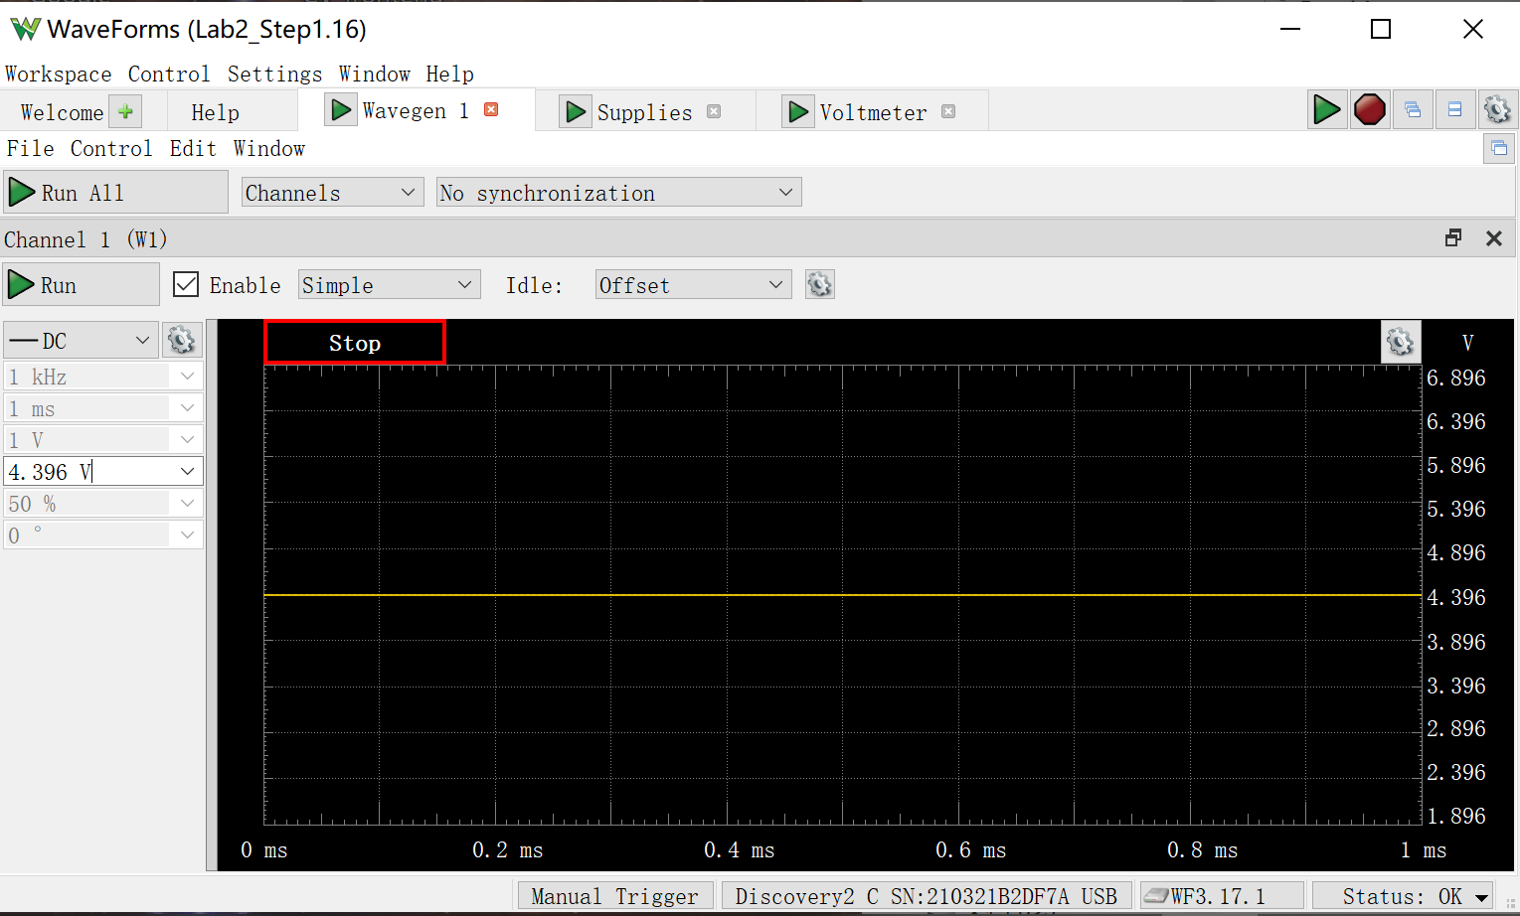
W1 Setting | VEE | Channel 1 (VB) | Channel 2 (VE) | IR1 | IR2 | IB1 = IR1 - IR2 | IE1 | IC2 = IC1 = IE1 - IB1
Volts | Volts | Volts | Volts | Amps | Amps | Amps | Amps | Amps
4.396 | -5 | -2.778 | -3.395 | 3.6171875E-05 | 3.8576388889E-05 | -2.4045138889E-06 | 0.00019913151365 | 0.00020153602754

Step 1.19
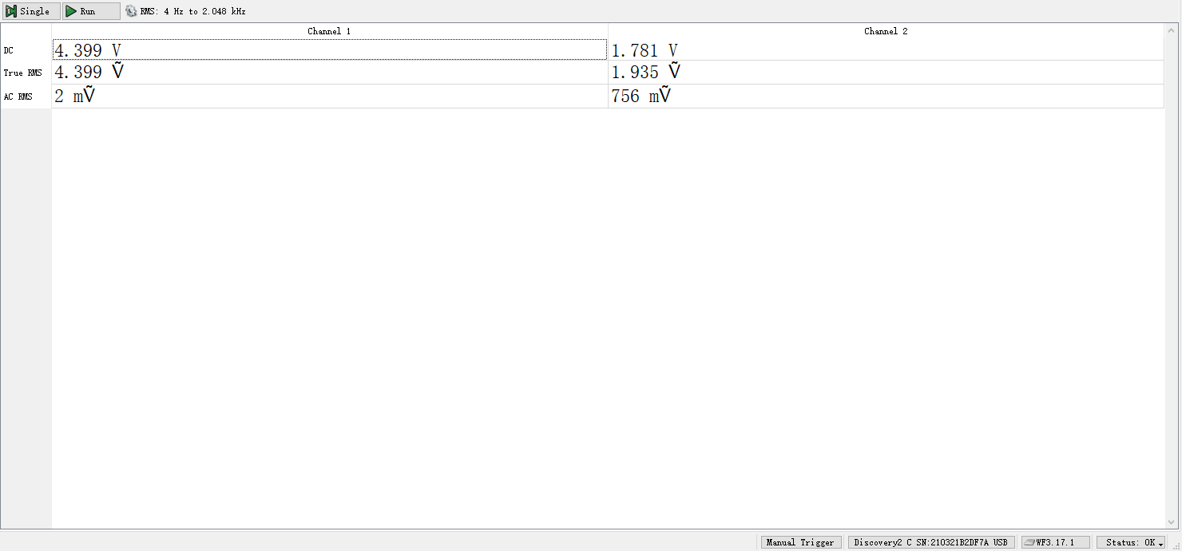
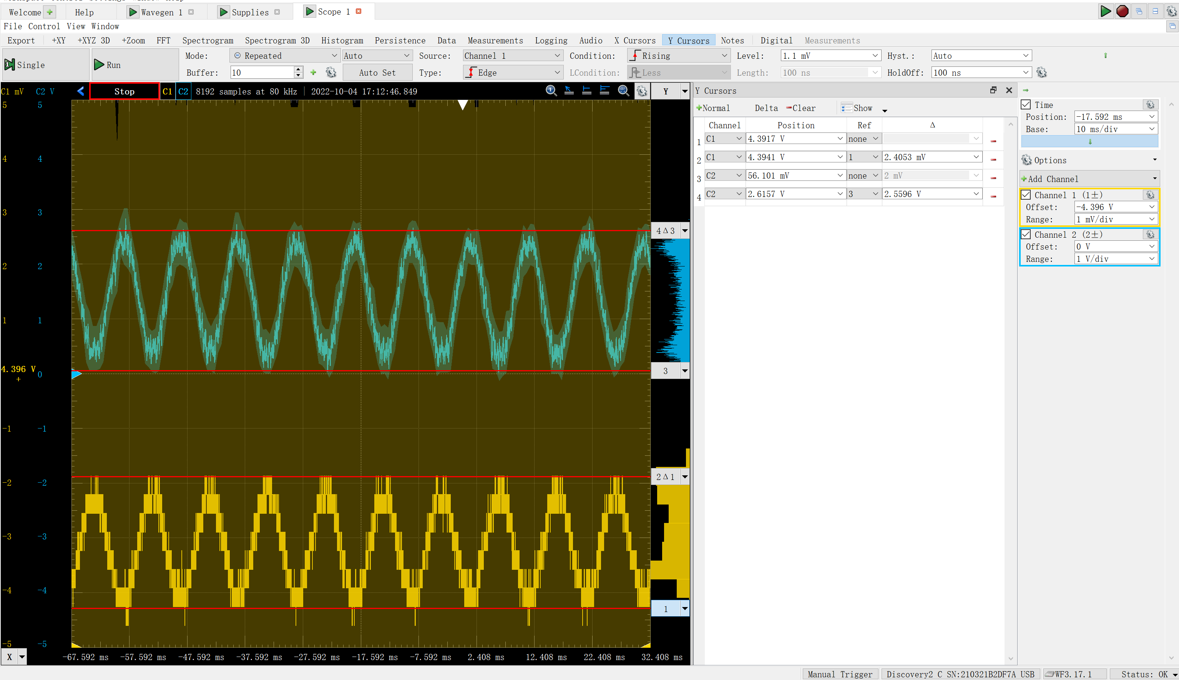
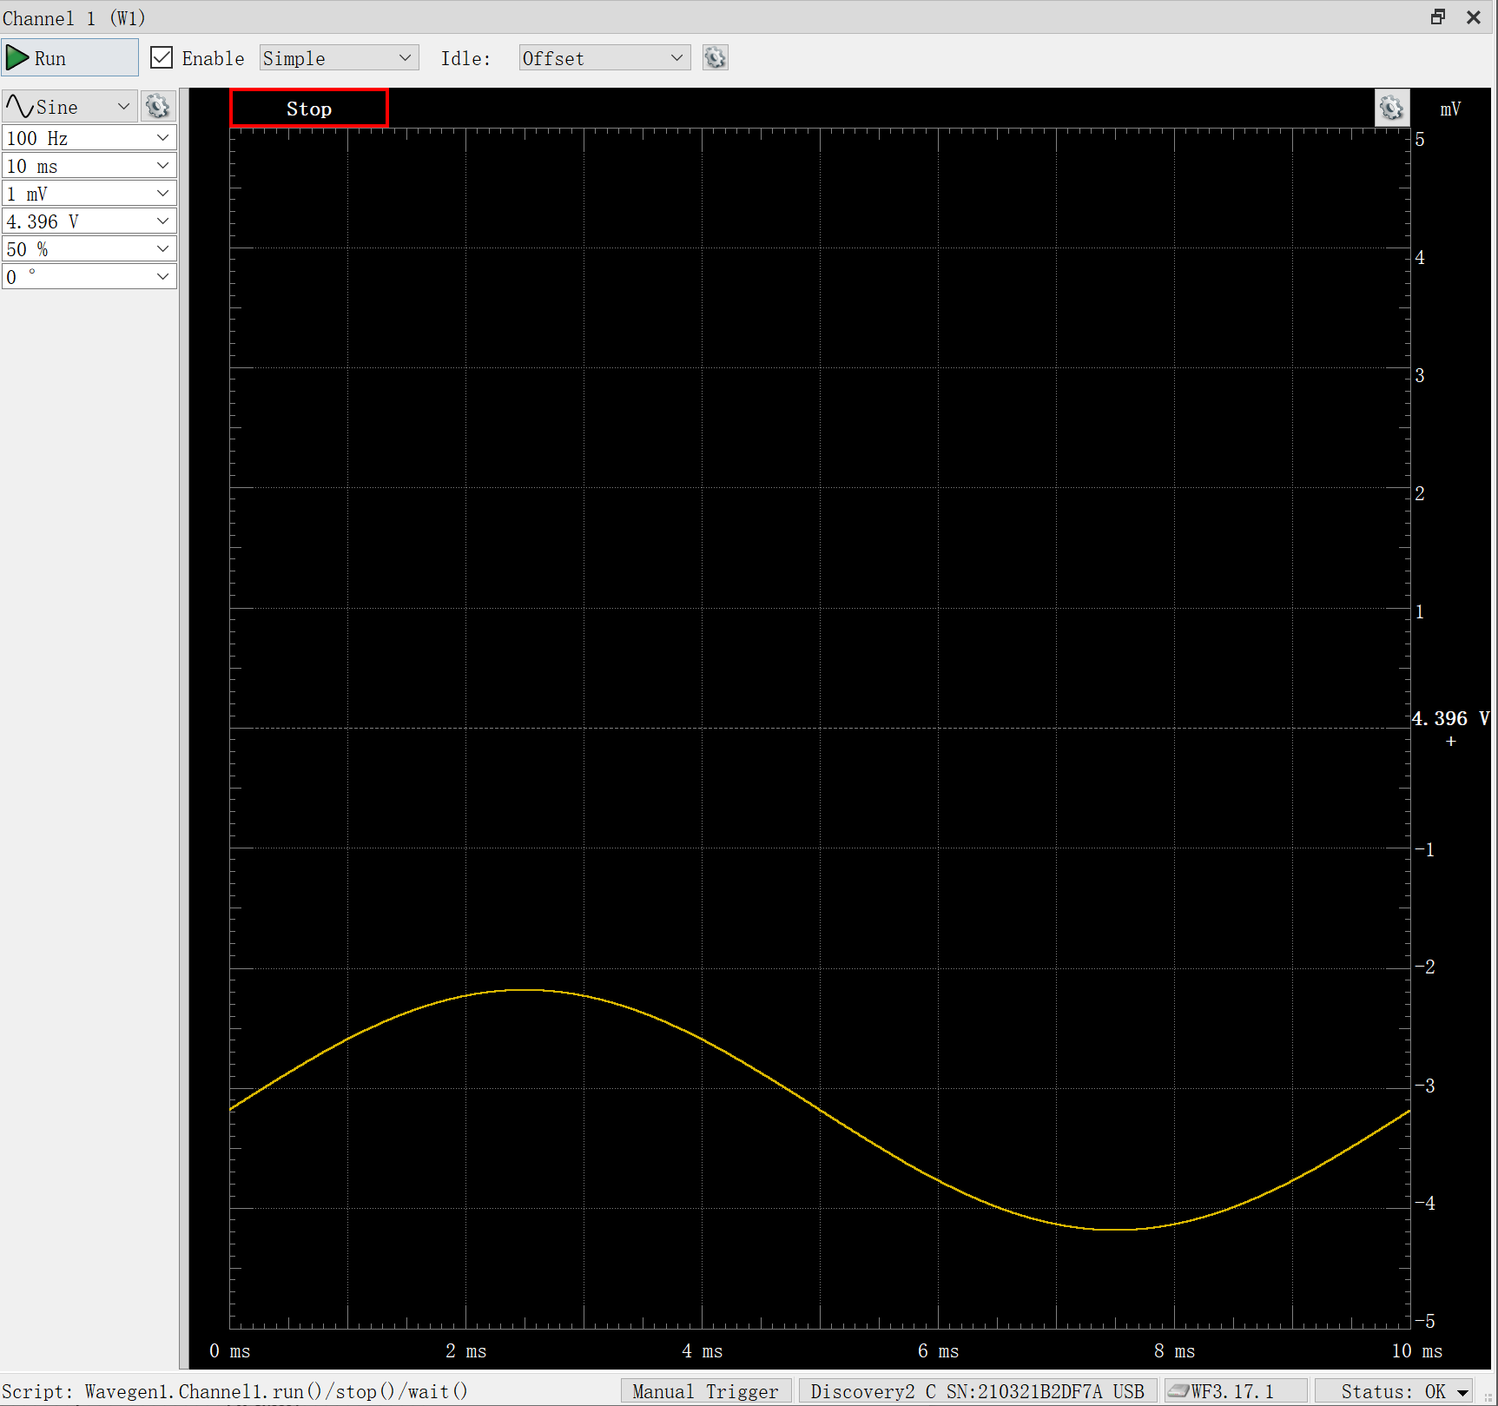
DC1 (V) | DC2 (V) | Gain Av (dB)
2.41E-03 | 2.5596 | 60.5

Step 2.2
Vo (V) | VE (V) | IC2 (A) | Vcm
-4.683492 | 4.999981 | 2.323881E-09 | -5
-4.68349 | 4.999981 | 2.324236E-09 | -4.9
-4.683484 | 4.999981 | 2.330063E-09 | -4.8
-4.683463 | 4.99998 | 2.407111E-09 | -4.7
-4.683386 | 4.999972 | 3.409705E-09 | -4.6
-4.682996 | 4.999866 | 1.632833E-08 | -4.5
-4.680083 | 4.998585 | 1.715471E-07 | -4.4
-4.661125 | 4.988813 | 1.356403E-06 | -4.3
-4.609784 | 4.961043 | 4.722182E-06 | -4.2
-4.537341 | 4.92102 | 9.573367E-06 | -4.1
-4.455229 | 4.875102 | 1.513992E-05 | -4
-4.368143 | 4.826052 | 2.108469E-05 | -3.9
-4.278251 | 4.77524 | 2.725065E-05 | -3.8
-4.186327 | 4.723232 | 3.35512E-05 | -3.7
-4.093096 | 4.670585 | 3.993044E-05 | -3.6
-3.998909 | 4.617647 | 4.634629E-05 | -3.5
-3.903973 | 4.564718 | 5.276128E-05 | -3.4
-3.808432 | 4.512121 | 0.000059136 | -3.3
-3.712384 | 4.460259 | 6.542114E-05 | -3.2
-3.615887 | 4.409717 | 7.154504E-05 | -3.1
-3.518964 | 4.361461 | 7.73882E-05 | -3
-3.421585 | 4.317292 | 8.272517E-05 | -2.9
-3.323627 | 4.280823 | 8.70996E-05 | -2.8
-3.22478 | 4.259318 | 8.977916E-05 | -2.7
-3.125198 | 4.251582 | 9.06912E-05 | -2.6
-3.02526 | 4.250358 | 9.086499E-05 | -2.5
-2.925274 | 4.250144 | 9.089169E-05 | -2.4
-2.82528 | 4.250108 | 9.089601E-05 | -2.3
-2.725285 | 4.250099 | 9.089711E-05 | -2.2
-2.625289 | 4.250093 | 9.089773E-05 | -2.1
-2.525293 | 4.250089 | 9.089829E-05 | -2
-2.425298 | 4.250084 | 9.089885E-05 | -1.9
-2.325302 | 4.25008 | 9.08994E-05 | -1.8
-2.225307 | 4.250075 | 9.089995E-05 | -1.7
-2.125311 | 4.250071 | 9.09005E-05 | -1.6
-2.025315 | 4.250066 | 9.090105E-05 | -1.5
-1.925319 | 4.250062 | 9.090159E-05 | -1.4
-1.825324 | 4.250057 | 9.090214E-05 | -1.3
-1.725328 | 4.250053 | 9.090269E-05 | -1.2
-1.625333 | 4.250048 | 9.090324E-05 | -1.1
-1.525337 | 4.250044 | 9.090379E-05 | -1
-1.425341 | 4.250039 | 9.090434E-05 | -0.9
-1.325346 | 4.250035 | 9.090489E-05 | -0.8
-1.22535 | 4.25003 | 9.090544E-05 | -0.7
-1.125354 | 4.250026 | 9.090599E-05 | -0.6
-1.025359 | 4.250021 | 9.090653E-05 | -0.5
-0.9253631 | 4.250017 | 9.090708E-05 | -0.4
-0.8253674 | 4.250012 | 9.090763E-05 | -0.3
-0.7253718 | 4.250008 | 9.090818E-05 | -0.2
-0.6253761 | 4.250003 | 9.090873E-05 | -0.1
-0.5253805 | 4.249999 | 9.090928E-05 | -1.0269562978E-15
-0.4253848 | 4.249994 | 9.090982E-05 | 0.1
-0.3253892 | 4.24999 | 9.091037E-05 | 0.2
-0.2253936 | 4.249985 | 9.091091E-05 | 0.3
-0.1253979 | 4.24998 | 9.091146E-05 | 0.4
-0.02540228 | 4.249976 | 9.091201E-05 | 0.5
0.07459336 | 4.249971 | 9.091255E-05 | 0.6
0.174589 | 4.249967 | 9.09131E-05 | 0.7
0.2745846 | 4.249962 | 9.091366E-05 | 0.8
0.3745803 | 4.249958 | 9.09142E-05 | 0.9
0.4745759 | 4.249953 | 9.091474E-05 | 1
0.5745715 | 4.249949 | 9.09153E-05 | 1.1
0.6745672 | 4.249944 | 9.091584E-05 | 1.2
0.7745628 | 4.24994 | 9.091639E-05 | 1.3
0.8745584 | 4.249935 | 9.091693E-05 | 1.4
0.9745541 | 4.249931 | 9.091747E-05 | 1.5
1.07455 | 4.249927 | 9.091802E-05 | 1.6
1.174545 | 4.249922 | 9.091857E-05 | 1.7
1.274541 | 4.249918 | 9.091911E-05 | 1.8
1.374537 | 4.249913 | 9.091965E-05 | 1.9
1.474532 | 4.249908 | 9.092021E-05 | 2
1.574528 | 4.249904 | 9.092074E-05 | 2.1
1.674523 | 4.249899 | 9.09213E-05 | 2.2
1.774519 | 4.249895 | 9.092184E-05 | 2.3
1.874515 | 4.24989 | 9.092239E-05 | 2.4
1.97451 | 4.249886 | 9.092293E-05 | 2.5
2.074506 | 4.249881 | 9.092347E-05 | 2.6
2.174502 | 4.249877 | 9.092401E-05 | 2.7
2.274497 | 4.249872 | 9.092456E-05 | 2.8
2.374493 | 4.249868 | 9.09251E-05 | 2.9
2.474488 | 4.249864 | 9.092565E-05 | 3
2.574484 | 4.249859 | 9.092619E-05 | 3.1
2.67448 | 4.249855 | 9.092673E-05 | 3.2
2.774475 | 4.24985 | 9.092728E-05 | 3.3
2.874471 | 4.249846 | 9.092783E-05 | 3.4
2.974467 | 4.249841 | 9.092837E-05 | 3.5
3.074462 | 4.249836 | 9.092892E-05 | 3.6
3.174458 | 4.249832 | 9.092945E-05 | 3.7
3.274454 | 4.249827 | 0.00009093 | 3.8
3.374449 | 4.249823 | 9.093054E-05 | 3.9
3.474445 | 4.249819 | 9.093107E-05 | 4
3.57444 | 4.249815 | 9.09315E-05 | 4.1
3.674436 | 4.249817 | 9.093129E-05 | 4.2
3.774431 | 4.249856 | 9.092655E-05 | 4.3
3.874427 | 4.250154 | 9.089044E-05 | 4.4
3.97442 | 4.252169 | 9.064603E-05 | 4.5
4.074405 | 4.263188 | 8.931056E-05 | 4.6
4.174371 | 4.29763 | 8.513143E-05 | 4.7
4.27432 | 4.356335 | 7.800847E-05 | 4.8
4.374259 | 4.429501 | 6.914927E-05 | 4.9
4.474193 | 4.510342 | 5.935234E-05 | 5

Step 2.7
Finding Vcm,max
W1 Setting | Channel 1 (VE) | Channel 2 (Vo) | IC2 = (5 V - Vo)/8.25 kohm
Volts | Volts | Volts | Amps
4 | 3.395 | 4.172 | 1.00E-04
4.1 | 3.4922 | 4.171 | 1.00E-04
4.2 | 3.5936 | 4.171 | 1.00E-04
4.3 | 3.694 | 4.171 | 1.00E-04
4.4 | 3.7926 | 4.1702 | 1.01E-04
4.5 | 3.8934 | 4.171 | 1.00E-04
4.6 | 3.99 | 4.1906 | 9.81E-05
4.7 | 4.091 | 4.2466 | 9.13E-05
4.8 | 4.188 | 4.3188 | 8.26E-05
4.9 | 4.286 | 4.3956 | 7.33E-05
5 | 4.383 | 4.48 | 6.30E-05

Step 2.8
Finding Vcm,min
W1 Setting | Channel 1 (VE) | Channel 2 (Vo) | IC2 = (5 V - Vo)/8.25 kohm
Volts | Volts | Volts | Amps
-2 | -2.6024 | 4.1982 | 9.72E-05
-2.1 | -2.7048 | 4.1982 | 9.72E-05
-2.2 | -2.803 | 4.1988 | 9.71E-05
-2.3 | -2.904 | 4.1984 | 9.72E-05
-2.4 | -3.002 | 4.1992 | 9.71E-05
-2.5 | -3.103 | 4.1994 | 9.70E-05
-2.6 | -3.2044 | 4.2016 | 9.68E-05
-2.7 | -3.301 | 4.2188 | 9.47E-05
-2.8 | -3.402 | 4.2582 | 8.99E-05
-2.9 | -3.499 | 4.309 | 8.38E-05
-3 | -3.5978 | 4.361 | 7.75E-05

Step 3.2
Simulated IC vs. Vid Characteristics
V1 | IC1 | IC2
Volts | Amps | Amps
-0.25 | 3.028345E-07 | 0.0001820933
-0.249 | 3.106319E-07 | 0.0001820846
-0.248 | 3.186312E-07 | 0.0001820757
-0.247 | 3.268377E-07 | 0.0001820666
-0.246 | 3.352567E-07 | 0.0001820573
-0.245 | 3.438936E-07 | 0.0001820477
-0.244 | 3.527542E-07 | 0.0001820379
-0.243 | 3.618441E-07 | 0.0001820279
-0.242 | 3.711693E-07 | 0.0001820176
-0.241 | 3.807358E-07 | 0.000182007
-0.24 | 3.905498E-07 | 0.0001819962
-0.239 | 4.006178E-07 | 0.0001819852
-0.238 | 4.109463E-07 | 0.0001819739
-0.237 | 4.215419E-07 | 0.0001819622
-0.236 | 4.324116E-07 | 0.0001819504
-0.235 | 4.435623E-07 | 0.0001819382
-0.234 | 4.550014E-07 | 0.0001819257
-0.233 | 4.667363E-07 | 0.0001819129
-0.232 | 4.787745E-07 | 0.0001818998
-0.231 | 4.911238E-07 | 0.0001818863
-0.23 | 5.037924E-07 | 0.0001818726
-0.229 | 5.167882E-07 | 0.0001818585
-0.228 | 5.301198E-07 | 0.000181844
-0.227 | 5.437958E-07 | 0.0001818292
-0.226 | 5.57825E-07 | 0.000181814
-0.225 | 5.722164E-07 | 0.0001817985
-0.224 | 5.869795E-07 | 0.0001817826
-0.223 | 6.021236E-07 | 0.0001817662
-0.222 | 6.176587E-07 | 0.0001817495
-0.221 | 6.335945E-07 | 0.0001817324
-0.22 | 6.499416E-07 | 0.0001817148
-0.219 | 6.667103E-07 | 0.0001816968
-0.218 | 6.839114E-07 | 0.0001816783
-0.217 | 7.015562E-07 | 0.0001816594
-0.216 | 7.196558E-07 | 0.00018164
-0.215 | 7.382218E-07 | 0.0001816202
-0.214 | 7.572664E-07 | 0.0001815998
-0.213 | 7.768015E-07 | 0.000181579
-0.212 | 7.968399E-07 | 0.0001815576
-0.211 | 8.173942E-07 | 0.0001815357
-0.21 | 8.384777E-07 | 0.0001815133
-0.209 | 8.601039E-07 | 0.0001814903
-0.208 | 8.822865E-07 | 0.0001814667
-0.207 | 9.050399E-07 | 0.0001814425
-0.206 | 9.283784E-07 | 0.0001814178
-0.205 | 9.52317E-07 | 0.0001813924
-0.204 | 9.768709E-07 | 0.0001813664
-0.203 | 1.002056E-06 | 0.0001813398
-0.202 | 1.027888E-06 | 0.0001813124
-0.201 | 1.054383E-06 | 0.0001812844
-0.2 | 1.081558E-06 | 0.0001812557
-0.199 | 1.109431E-06 | 0.0001812264
-0.198 | 1.13802E-06 | 0.0001811962
-0.197 | 1.167341E-06 | 0.0001811653
-0.196 | 1.197414E-06 | 0.0001811337
-0.195 | 1.228258E-06 | 0.0001811012
-0.194 | 1.259893E-06 | 0.000181068
-0.193 | 1.292337E-06 | 0.0001810339
-0.192 | 1.325612E-06 | 0.000180999
-0.191 | 1.359739E-06 | 0.0001809632
-0.19 | 1.394739E-06 | 0.0001809265
-0.189 | 1.430634E-06 | 0.000180889
-0.188 | 1.467447E-06 | 0.0001808504
-0.187 | 1.5052E-06 | 0.0001808109
-0.186 | 1.543917E-06 | 0.0001807705
-0.185 | 1.583623E-06 | 0.000180729
-0.184 | 1.624341E-06 | 0.0001806865
-0.183 | 1.666099E-06 | 0.0001806429
-0.182 | 1.70892E-06 | 0.0001805983
-0.181 | 1.752833E-06 | 0.0001805526
-0.18 | 1.797864E-06 | 0.0001805057
-0.179 | 1.844041E-06 | 0.0001804576
-0.178 | 1.891393E-06 | 0.0001804084
-0.177 | 1.939949E-06 | 0.0001803579
-0.176 | 1.989739E-06 | 0.0001803062
-0.175 | 2.040793E-06 | 0.0001802532
-0.174 | 2.093143E-06 | 0.0001801988
-0.173 | 2.14682E-06 | 0.0001801432
-0.172 | 2.201859E-06 | 0.0001800861
-0.171 | 2.258291E-06 | 0.0001800277
-0.17 | 2.316153E-06 | 0.0001799677
-0.169 | 2.375478E-06 | 0.0001799063
-0.168 | 2.436303E-06 | 0.0001798434
-0.167 | 2.498664E-06 | 0.000179779
-0.166 | 2.5626E-06 | 0.0001797129
-0.165 | 2.628149E-06 | 0.0001796452
-0.164 | 2.695349E-06 | 0.0001795758
-0.163 | 2.764243E-06 | 0.0001795047
-0.162 | 2.83487E-06 | 0.0001794319
-0.161 | 2.907273E-06 | 0.0001793573
-0.16 | 2.981495E-06 | 0.0001792808
-0.159 | 3.05758E-06 | 0.0001792024
-0.158 | 3.135574E-06 | 0.0001791221
-0.157 | 3.215521E-06 | 0.0001790399
-0.156 | 3.297471E-06 | 0.0001789556
-0.155 | 3.381469E-06 | 0.0001788692
-0.154 | 3.467566E-06 | 0.0001787808
-0.153 | 3.555811E-06 | 0.0001786901
-0.152 | 3.646257E-06 | 0.0001785972
-0.151 | 3.738956E-06 | 0.0001785021
-0.15 | 3.83396E-06 | 0.0001784046
-0.149 | 3.931325E-06 | 0.0001783047
-0.148 | 4.031108E-06 | 0.0001782025
-0.147 | 4.133364E-06 | 0.0001780977
-0.146 | 4.238152E-06 | 0.0001779903
-0.145 | 4.345531E-06 | 0.0001778804
-0.144 | 4.455563E-06 | 0.0001777677
-0.143 | 4.568309E-06 | 0.0001776524
-0.142 | 4.683831E-06 | 0.0001775342
-0.141 | 4.802197E-06 | 0.0001774132
-0.14 | 4.923469E-06 | 0.0001772892
-0.139 | 5.047716E-06 | 0.0001771622
-0.138 | 5.175006E-06 | 0.0001770322
-0.137 | 5.305409E-06 | 0.0001768991
-0.136 | 5.438996E-06 | 0.0001767627
-0.135 | 5.57584E-06 | 0.0001766231
-0.134 | 5.716014E-06 | 0.0001764801
-0.133 | 5.859593E-06 | 0.0001763336
-0.132 | 6.006655E-06 | 0.0001761837
-0.131 | 6.157277E-06 | 0.0001760302
-0.13 | 6.311539E-06 | 0.000175873
-0.129 | 6.469522E-06 | 0.0001757121
-0.128 | 6.631308E-06 | 0.0001755474
-0.127 | 6.796981E-06 | 0.0001753787
-0.126 | 6.966627E-06 | 0.0001752061
-0.125 | 7.140332E-06 | 0.0001750294
-0.124 | 7.318185E-06 | 0.0001748485
-0.123 | 7.500276E-06 | 0.0001746633
-0.122 | 7.686695E-06 | 0.0001744738
-0.121 | 7.877535E-06 | 0.0001742799
-0.12 | 8.072891E-06 | 0.0001740814
-0.119 | 8.272857E-06 | 0.0001738783
-0.118 | 8.477532E-06 | 0.0001736704
-0.117 | 8.687014E-06 | 0.0001734578
-0.116 | 8.901403E-06 | 0.0001732402
-0.115 | 9.1208E-06 | 0.0001730176
-0.114 | 9.345308E-06 | 0.0001727898
-0.113 | 9.575032E-06 | 0.0001725568
-0.112 | 9.810077E-06 | 0.0001723185
-0.111 | 1.005055E-05 | 0.0001720747
-0.11 | 1.029656E-05 | 0.0001718254
-0.109 | 1.054822E-05 | 0.0001715704
-0.108 | 1.080563E-05 | 0.0001713096
-0.107 | 1.106892E-05 | 0.0001710429
-0.106 | 1.133819E-05 | 0.0001707703
-0.105 | 1.161355E-05 | 0.0001704915
-0.104 | 1.189513E-05 | 0.0001702065
-0.103 | 1.218305E-05 | 0.0001699151
-0.102 | 1.247741E-05 | 0.0001696173
-0.101 | 1.277834E-05 | 0.0001693129
-0.1 | 1.308596E-05 | 0.0001690018
-0.099 | 1.34004E-05 | 0.0001686839
-0.098 | 1.372176E-05 | 0.000168359
-0.097 | 1.405018E-05 | 0.000168027
-0.096 | 1.438578E-05 | 0.0001676879
-0.095 | 1.472867E-05 | 0.0001673414
-0.094 | 0.000015079 | 0.0001669875
-0.093 | 1.543688E-05 | 0.0001666261
-0.092 | 1.580244E-05 | 0.0001662569
-0.091 | 1.61758E-05 | 0.0001658799
-0.09 | 1.655709E-05 | 0.000165495
-0.089 | 1.694644E-05 | 0.0001651021
-0.088 | 1.734396E-05 | 0.0001647009
-0.087 | 1.77498E-05 | 0.0001642914
-0.086 | 1.816407E-05 | 0.0001638735
-0.085 | 1.85869E-05 | 0.000163447
-0.084 | 1.901842E-05 | 0.0001630119
-0.083 | 1.945874E-05 | 0.0001625679
-0.082 | 0.000019908 | 0.0001621149
-0.081 | 2.036631E-05 | 0.000161653
-0.08 | 2.08338E-05 | 0.0001611818
-0.079 | 2.131058E-05 | 0.0001607014
-0.078 | 2.179678E-05 | 0.0001602115
-0.077 | 2.229252E-05 | 0.0001597121
-0.076 | 2.27979E-05 | 0.000159203
-0.075 | 2.331305E-05 | 0.0001586842
-0.074 | 2.383808E-05 | 0.0001581555
-0.073 | 2.437309E-05 | 0.0001576169
-0.072 | 2.491819E-05 | 0.0001570681
-0.071 | 2.547349E-05 | 0.0001565092
-0.07 | 2.603909E-05 | 0.0001559399
-0.069 | 2.661508E-05 | 0.0001553603
-0.068 | 2.720157E-05 | 0.0001547702
-0.067 | 2.779865E-05 | 0.0001541695
-0.066 | 2.84064E-05 | 0.0001535582
-0.065 | 2.90249E-05 | 0.0001529361
-0.064 | 2.965425E-05 | 0.0001523032
-0.063 | 3.02945E-05 | 0.0001516593
-0.062 | 3.094575E-05 | 0.0001510046
-0.061 | 3.160804E-05 | 0.0001503387
-0.06 | 3.228146E-05 | 0.0001496618
-0.059 | 3.296604E-05 | 0.0001489738
-0.058 | 3.366184E-05 | 0.0001482745
-0.057 | 3.43689E-05 | 0.000147564
-0.056 | 3.508728E-05 | 0.0001468422
-0.055 | 3.581699E-05 | 0.0001461091
-0.054 | 3.655806E-05 | 0.0001453647
-0.053 | 3.731052E-05 | 0.0001446089
-0.052 | 3.807438E-05 | 0.0001438418
-0.051 | 3.884963E-05 | 0.0001430632
-0.05 | 3.96363E-05 | 0.0001422733
-0.049 | 4.043435E-05 | 0.0001414721
-0.048 | 4.124377E-05 | 0.0001406595
-0.047 | 4.206455E-05 | 0.0001398356
-0.046 | 4.289664E-05 | 0.0001390004
-0.045 | 4.374001E-05 | 0.000138154
-0.044 | 4.459461E-05 | 0.0001372964
-0.043 | 4.546037E-05 | 0.0001364276
-0.042 | 4.633723E-05 | 0.0001355479
-0.041 | 4.722512E-05 | 0.0001346571
-0.04 | 4.812394E-05 | 0.0001337554
-0.039 | 4.903361E-05 | 0.000132843
-0.038 | 4.995401E-05 | 0.0001319198
-0.037 | 5.088505E-05 | 0.0001309861
-0.036 | 5.182658E-05 | 0.000130042
-0.035 | 5.277848E-05 | 0.0001290875
-0.034 | 5.37406E-05 | 0.0001281229
-0.033 | 5.47128E-05 | 0.0001271482
-0.032 | 5.569491E-05 | 0.0001261637
-0.031 | 5.668676E-05 | 0.0001251695
-0.03 | 5.768817E-05 | 0.0001241658
-0.029 | 5.869894E-05 | 0.0001231528
-0.028 | 5.971888E-05 | 0.0001221307
-0.027 | 6.074778E-05 | 0.0001210997
-0.026 | 6.178541E-05 | 0.00012006
-0.025 | 6.283154E-05 | 0.0001190119
-0.024 | 6.388593E-05 | 0.0001179556
-0.023 | 6.494835E-05 | 0.0001168914
-0.022 | 6.601853E-05 | 0.0001158194
-0.021 | 6.70962E-05 | 0.0001147401
-0.02 | 6.818109E-05 | 0.0001136536
-0.019 | 6.927293E-05 | 0.0001125602
-0.018 | 7.037141E-05 | 0.0001114602
-0.017 | 7.147624E-05 | 0.000110354
-0.016 | 7.258711E-05 | 0.0001092418
-0.015 | 7.37037E-05 | 0.000108124
-0.014 | 7.482572E-05 | 0.0001070008
-0.013 | 7.595281E-05 | 0.0001058726
-0.012 | 7.708465E-05 | 0.0001047398
-0.011 | 7.822091E-05 | 0.0001036026
-0.01 | 7.936123E-05 | 0.0001024614
-0.009 | 8.050526E-05 | 0.0001013166
-0.008 | 8.165266E-05 | 0.0001001685
-0.007 | 8.280307E-05 | 9.901747E-05
-0.006 | 8.395612E-05 | 9.786389E-05
-0.005 | 8.511145E-05 | 9.670811E-05
-0.004 | 8.626868E-05 | 9.555051E-05
-0.003 | 8.742746E-05 | 9.439145E-05
-0.002 | 8.85874E-05 | 9.323131E-05
-0.001 | 8.974812E-05 | 9.207046E-05
2.1510571102E-16 | 9.090927E-05 | 9.090927E-05
0.001 | 9.207046E-05 | 8.974813E-05
0.002 | 9.323132E-05 | 8.85874E-05
0.003 | 9.439146E-05 | 8.742747E-05
0.004 | 9.555053E-05 | 8.62687E-05
0.005 | 9.670814E-05 | 8.511147E-05
0.006 | 9.786392E-05 | 8.395615E-05
0.007 | 9.90175E-05 | 8.28031E-05
0.008 | 0.0001001685 | 8.165271E-05
0.009 | 0.0001013166 | 8.050531E-05
0.01 | 0.0001024614 | 7.936128E-05
0.011 | 0.0001036026 | 7.822096E-05
0.012 | 0.0001047398 | 7.708471E-05
0.013 | 0.0001058727 | 7.595287E-05
0.014 | 0.0001070009 | 7.482579E-05
0.015 | 0.0001081241 | 7.370378E-05
0.016 | 0.0001092419 | 7.258718E-05
0.017 | 0.0001103541 | 7.147631E-05
0.018 | 0.0001114604 | 7.037149E-05
0.019 | 0.0001125603 | 6.927301E-05
0.02 | 0.0001136537 | 6.818118E-05
0.021 | 0.0001147402 | 6.709629E-05
0.022 | 0.0001158196 | 6.601862E-05
0.023 | 0.0001168915 | 6.494845E-05
0.024 | 0.0001179558 | 6.388604E-05
0.025 | 0.0001190121 | 6.283164E-05
0.026 | 0.0001200602 | 6.178551E-05
0.027 | 0.0001210999 | 6.074788E-05
0.028 | 0.0001221309 | 5.971899E-05
0.029 | 0.000123153 | 5.869905E-05
0.03 | 0.000124166 | 5.768828E-05
0.031 | 0.0001251697 | 5.668688E-05
0.032 | 0.0001261639 | 5.569503E-05
0.033 | 0.0001271484 | 5.471292E-05
0.034 | 0.0001281231 | 5.374072E-05
0.035 | 0.0001290878 | 5.27786E-05
0.036 | 0.0001300423 | 5.18267E-05
0.037 | 0.0001309864 | 5.088517E-05
0.038 | 0.0001319201 | 4.995414E-05
0.039 | 0.0001328433 | 4.903374E-05
0.04 | 0.0001337558 | 4.812407E-05
0.041 | 0.0001346574 | 4.722525E-05
0.042 | 0.0001355482 | 4.633737E-05
0.043 | 0.000136428 | 4.54605E-05
0.044 | 0.0001372967 | 4.459474E-05
0.045 | 0.0001381543 | 4.374015E-05
0.046 | 0.0001390008 | 4.289678E-05
0.047 | 0.000139836 | 4.206469E-05
0.048 | 0.0001406599 | 4.124391E-05
0.049 | 0.0001414725 | 4.043448E-05
0.05 | 0.0001422738 | 3.963643E-05
0.051 | 0.0001430636 | 3.884978E-05
0.052 | 0.0001438422 | 3.807452E-05
0.053 | 0.0001446094 | 3.731066E-05
0.054 | 0.0001453651 | 3.65582E-05
0.055 | 0.0001461096 | 3.581713E-05
0.056 | 0.0001468427 | 3.508741E-05
0.057 | 0.0001475645 | 3.436904E-05
0.058 | 0.000148275 | 3.366197E-05
0.059 | 0.0001489743 | 3.296617E-05
0.06 | 0.0001496624 | 3.228159E-05
0.061 | 0.0001503393 | 3.160818E-05
0.062 | 0.0001510051 | 3.094589E-05
0.063 | 0.0001516599 | 3.029464E-05
0.064 | 0.0001523037 | 2.965438E-05
0.065 | 0.0001529366 | 2.902504E-05
0.066 | 0.0001535588 | 2.840653E-05
0.067 | 0.0001541701 | 2.779878E-05
0.068 | 0.0001547708 | 2.720171E-05
0.069 | 0.0001553609 | 2.661522E-05
0.07 | 0.0001559406 | 2.603922E-05
0.071 | 0.0001565098 | 2.547362E-05
0.072 | 0.0001570688 | 2.491832E-05
0.073 | 0.0001576175 | 2.437322E-05
0.074 | 0.0001581562 | 2.383821E-05
0.075 | 0.0001586849 | 2.331318E-05
0.076 | 0.0001592037 | 2.279803E-05
0.077 | 0.0001597128 | 2.229265E-05
0.078 | 0.0001602122 | 2.179691E-05
0.079 | 0.0001607021 | 2.131071E-05
0.08 | 0.0001611826 | 2.083392E-05
0.081 | 0.0001616537 | 2.036643E-05
0.082 | 0.0001621157 | 1.990812E-05
0.083 | 0.0001625687 | 1.945887E-05
0.084 | 0.0001630127 | 1.901854E-05
0.085 | 0.0001634479 | 1.858702E-05
0.086 | 0.0001638743 | 1.816419E-05
0.087 | 0.0001642923 | 1.774992E-05
0.088 | 0.0001647017 | 1.734408E-05
0.089 | 0.0001651029 | 1.694655E-05
0.09 | 0.0001654959 | 1.655721E-05
0.091 | 0.0001658808 | 1.617591E-05
0.092 | 0.0001662578 | 1.580255E-05
0.093 | 0.000166627 | 1.543699E-05
0.094 | 0.0001669884 | 1.507911E-05
0.095 | 0.0001673424 | 1.472879E-05
0.096 | 0.0001676888 | 1.438588E-05
0.097 | 0.000168028 | 1.405029E-05
0.098 | 0.0001683599 | 1.372187E-05
0.099 | 0.0001686848 | 1.34005E-05
0.1 | 0.0001690028 | 1.308607E-05
0.101 | 0.0001693139 | 1.277845E-05
0.102 | 0.0001696183 | 1.247751E-05
0.103 | 0.0001699162 | 1.218315E-05
0.104 | 0.0001702075 | 1.189523E-05
0.105 | 0.0001704926 | 1.161365E-05
0.106 | 0.0001707713 | 1.133828E-05
0.107 | 0.000171044 | 1.106901E-05
0.108 | 0.0001713107 | 1.080573E-05
0.109 | 0.0001715715 | 1.054831E-05
0.11 | 0.0001718265 | 1.029665E-05
0.111 | 0.0001720758 | 1.005064E-05
0.112 | 0.0001723196 | 9.810166E-06
0.113 | 0.000172558 | 9.57512E-06
0.114 | 0.000172791 | 9.345395E-06
0.115 | 0.0001730187 | 9.120886E-06
0.116 | 0.0001732414 | 8.901487E-06
0.117 | 0.000173459 | 8.687098E-06
0.118 | 0.0001736717 | 8.477615E-06
0.119 | 0.0001738795 | 8.272938E-06
0.12 | 0.0001740826 | 8.072971E-06
0.121 | 0.0001742811 | 7.877614E-06
0.122 | 0.0001744751 | 7.686773E-06
0.123 | 0.0001746646 | 7.500353E-06
0.124 | 0.0001748498 | 7.318262E-06
0.125 | 0.0001750307 | 7.140408E-06
0.126 | 0.0001752074 | 6.966701E-06
0.127 | 0.0001753801 | 6.797055E-06
0.128 | 0.0001755487 | 6.63138E-06
0.129 | 0.0001757135 | 6.469592E-06
0.13 | 0.0001758744 | 6.311609E-06
0.131 | 0.0001760316 | 6.157345E-06
0.132 | 0.0001761851 | 6.006722E-06
0.133 | 0.0001763351 | 5.85966E-06
0.134 | 0.0001764815 | 5.716079E-06
0.135 | 0.0001766245 | 5.575904E-06
0.136 | 0.0001767642 | 5.43906E-06
0.137 | 0.0001769005 | 5.305471E-06
0.138 | 0.0001770337 | 5.175068E-06
0.139 | 0.0001771637 | 5.047777E-06
0.14 | 0.0001772907 | 4.923528E-06
0.141 | 0.0001774147 | 4.802255E-06
0.142 | 0.0001775357 | 4.683889E-06
0.143 | 0.0001776539 | 4.568365E-06
0.144 | 0.0001777693 | 4.455619E-06
0.145 | 0.0001778819 | 4.345586E-06
0.146 | 0.0001779919 | 4.238206E-06
0.147 | 0.0001780993 | 4.133417E-06
0.148 | 0.0001782041 | 4.03116E-06
0.149 | 0.0001783064 | 3.931377E-06
0.15 | 0.0001784062 | 3.83401E-06
0.151 | 0.0001785037 | 3.739005E-06
0.152 | 0.0001785989 | 3.646306E-06
0.153 | 0.0001786918 | 3.555859E-06
0.154 | 0.0001787824 | 3.467613E-06
0.155 | 0.0001788709 | 3.381515E-06
0.156 | 0.0001789573 | 3.297516E-06
0.157 | 0.0001790416 | 3.215566E-06
0.158 | 0.0001791239 | 3.135618E-06
0.159 | 0.0001792042 | 3.057624E-06
0.16 | 0.0001792825 | 2.981538E-06
0.161 | 0.000179359 | 2.907315E-06
0.162 | 0.0001794337 | 2.834911E-06
0.163 | 0.0001795065 | 2.764283E-06
0.164 | 0.0001795776 | 2.695389E-06
0.165 | 0.000179647 | 2.628188E-06
0.166 | 0.0001797147 | 2.562638E-06
0.167 | 0.0001797808 | 2.498702E-06
0.168 | 0.0001798453 | 2.436339E-06
0.169 | 0.0001799082 | 2.375514E-06
0.17 | 0.0001799696 | 2.316188E-06
0.171 | 0.0001800295 | 2.258326E-06
0.172 | 0.000180088 | 2.201893E-06
0.173 | 0.0001801451 | 2.146854E-06
0.174 | 0.0001802007 | 2.093176E-06
0.175 | 0.0001802551 | 2.040825E-06
0.176 | 0.0001803081 | 1.989771E-06
0.177 | 0.0001803598 | 1.93998E-06
0.178 | 0.0001804103 | 1.891424E-06
0.179 | 0.0001804596 | 1.844072E-06
0.18 | 0.0001805076 | 1.797894E-06
0.181 | 0.0001805545 | 1.752862E-06
0.182 | 0.0001806003 | 1.708949E-06
0.183 | 0.000180645 | 1.666127E-06
0.184 | 0.0001806885 | 1.624369E-06
0.185 | 0.000180731 | 1.583649E-06
0.186 | 0.0001807725 | 1.543943E-06
0.187 | 0.000180813 | 1.505226E-06
0.188 | 0.0001808525 | 1.467472E-06
0.189 | 0.000180891 | 1.430659E-06
0.19 | 0.0001809286 | 1.394764E-06
0.191 | 0.0001809653 | 1.359763E-06
0.192 | 0.0001810011 | 1.325636E-06
0.193 | 0.0001810361 | 1.29236E-06
0.194 | 0.0001810702 | 1.259915E-06
0.195 | 0.0001811034 | 1.228281E-06
0.196 | 0.0001811359 | 1.197436E-06
0.197 | 0.0001811675 | 1.167362E-06
0.198 | 0.0001811984 | 1.138041E-06
0.199 | 0.0001812286 | 1.109452E-06
0.2 | 0.000181258 | 1.081579E-06
0.201 | 0.0001812867 | 1.054403E-06
0.202 | 0.0001813147 | 1.027907E-06
0.203 | 0.000181342 | 1.002075E-06
0.204 | 0.0001813687 | 9.768895E-07
0.205 | 0.0001813947 | 9.523353E-07
0.206 | 0.0001814201 | 9.283963E-07
0.207 | 0.0001814448 | 9.050574E-07
0.208 | 0.000181469 | 8.823039E-07
0.209 | 0.0001814926 | 8.601208E-07
0.21 | 0.0001815156 | 8.384943E-07
0.211 | 0.0001815381 | 8.174105E-07
0.212 | 0.00018156 | 7.968558E-07
0.213 | 0.0001815814 | 7.768172E-07
0.214 | 0.0001816022 | 7.572817E-07
0.215 | 0.0001816226 | 7.382369E-07
0.216 | 0.0001816424 | 7.196705E-07
0.217 | 0.0001816618 | 7.015706E-07
0.218 | 0.0001816808 | 6.839256E-07
0.219 | 0.0001816992 | 6.667242E-07
0.22 | 0.0001817172 | 6.499552E-07
0.221 | 0.0001817348 | 6.336078E-07
0.222 | 0.000181752 | 6.176717E-07
0.223 | 0.0001817687 | 6.021364E-07
0.224 | 0.0001817851 | 5.86992E-07
0.225 | 0.000181801 | 5.722288E-07
0.226 | 0.0001818166 | 5.57837E-07
0.227 | 0.0001818317 | 5.438076E-07
0.228 | 0.0001818466 | 5.301314E-07
0.229 | 0.000181861 | 5.167996E-07
0.23 | 0.0001818751 | 5.038035E-07
0.231 | 0.0001818889 | 4.911348E-07
0.232 | 0.0001819024 | 4.787851E-07
0.233 | 0.0001819155 | 4.667467E-07
0.234 | 0.0001819283 | 4.550117E-07
0.235 | 0.0001819408 | 4.435723E-07
0.236 | 0.000181953 | 4.324214E-07
0.237 | 0.0001819649 | 4.215515E-07
0.238 | 0.0001819765 | 4.109557E-07
0.239 | 0.0001819879 | 4.00627E-07
0.24 | 0.0001819989 | 3.905589E-07
0.241 | 0.0001820098 | 3.807446E-07
0.242 | 0.0001820203 | 3.711779E-07
0.243 | 0.0001820306 | 3.618526E-07
0.244 | 0.0001820406 | 3.527625E-07
0.245 | 0.0001820505 | 3.439018E-07
0.246 | 0.00018206 | 3.352646E-07
0.247 | 0.0001820694 | 3.268455E-07
0.248 | 0.0001820785 | 3.186388E-07
0.249 | 0.0001820874 | 3.106393E-07
0.25 | 0.0001820961 | 3.028418E-07

Step 3.5
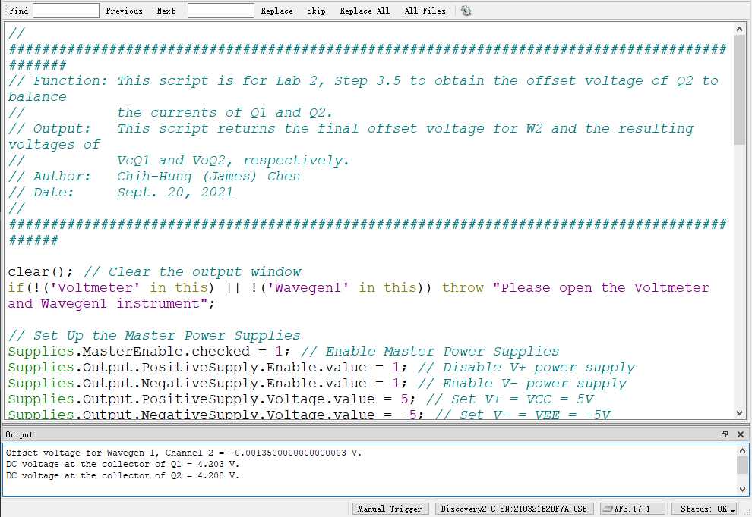
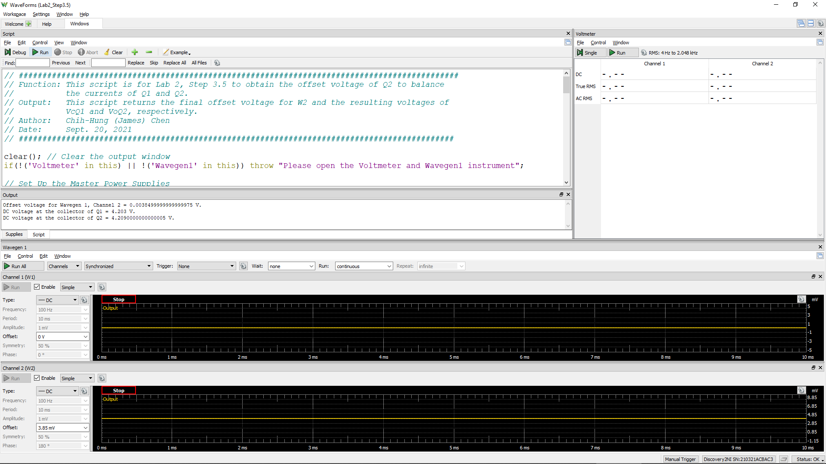
W2Offset | VcQ1 | VoQ2 (= VC2)
Volt | Volt | Volt
-0.00135 | 4.203 | 4.208

Step 3.6
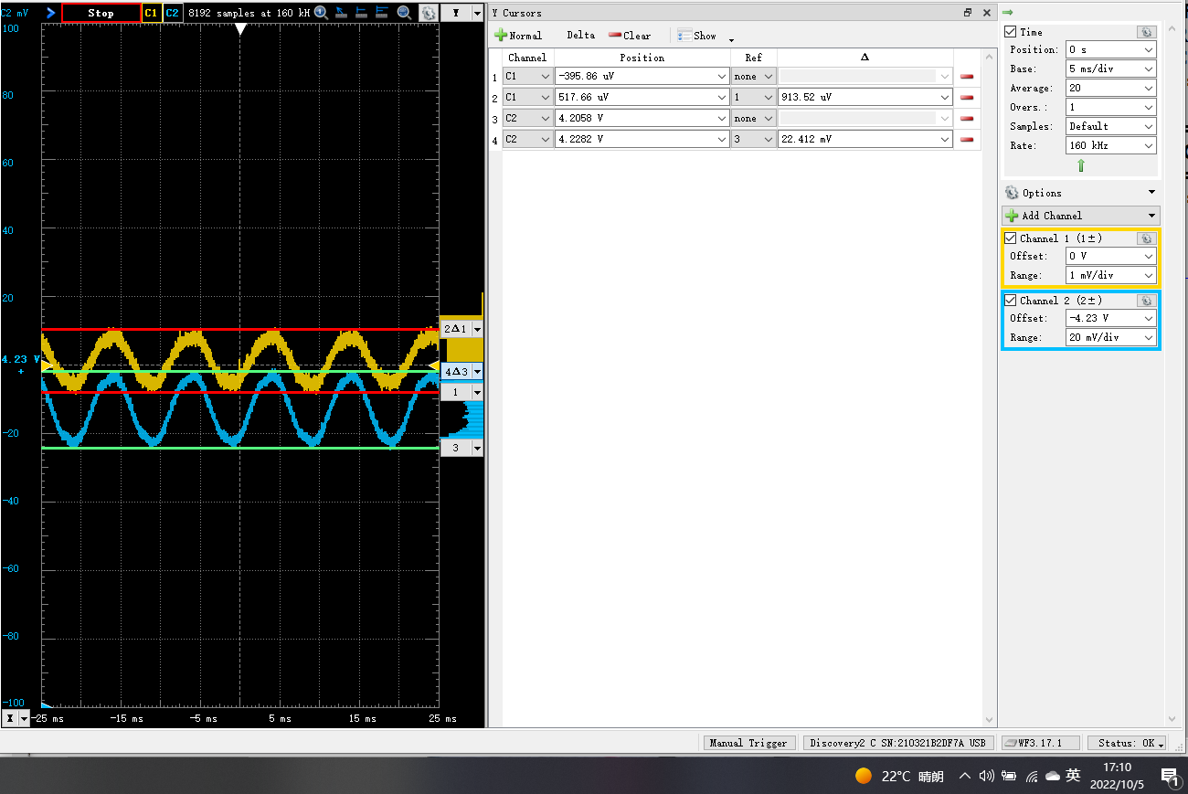
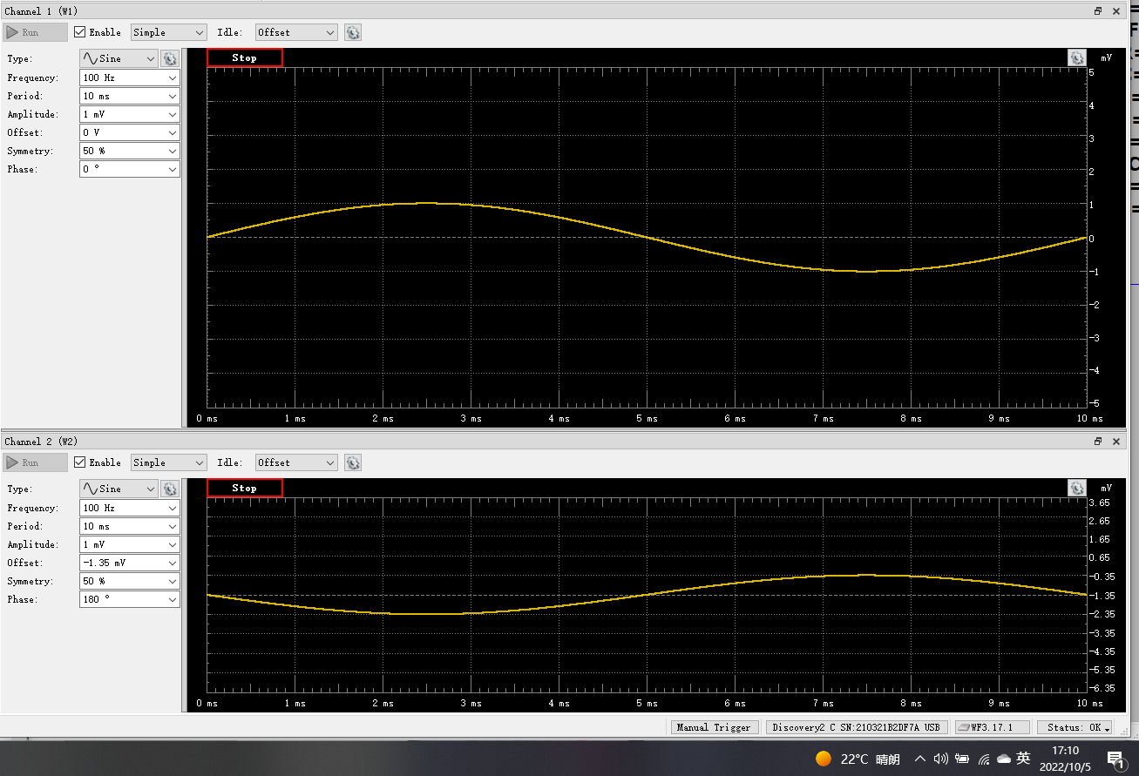
DC1 (V) = Vid | DC2 (V) = Vo(Peak2Peak) | Differential Voltage Gain Av (dB)
9.14E-04 | 2.24E-02 | 21.8

